Strategy Analysis
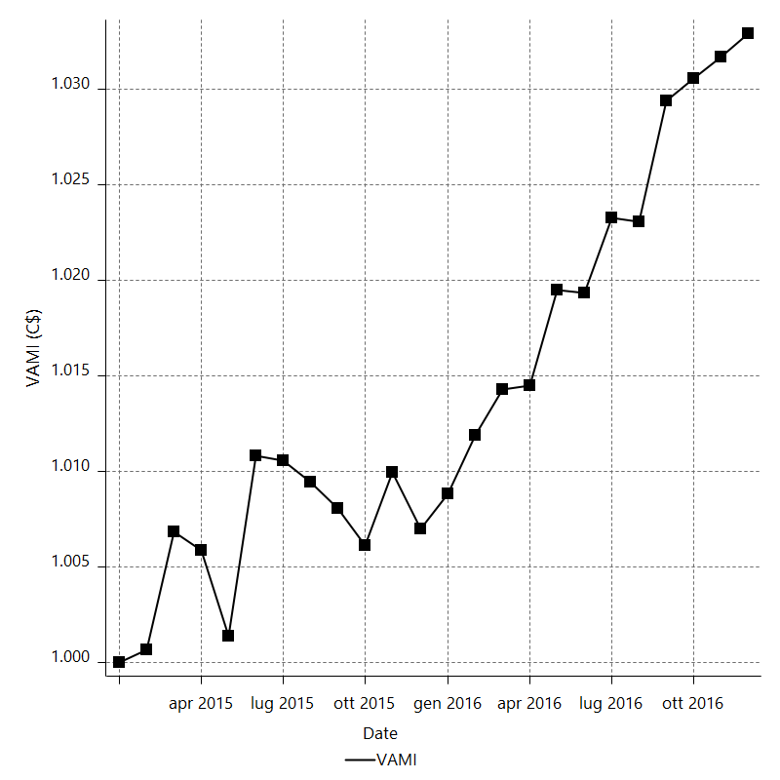
Strategy Performance Summary

 | All Trades | Long Trades | Short Trades
Net Profit | 3373.87 | 1422.12 | 1951.75
Gross Profit | 11826.9 | 6117.28 | 5709.62
Gross Loss | -8453.03 | -4695.16 | -3757.87
Adjusted Net Profit | 2261.3488029 | 629.47022285 | 1167.9198875
Adjusted Gross Profit | 11199.193323 | 5686.8696812 | 5248.0245815
Adjusted Gross Loss | -8937.8445202 | -5057.3994583 | -4080.1046941
Select Net Profit | -3519.01 | -2018.16 | -1500.85
Select Gross Profit | 4934.02 | 2677 | 2257.02
Select Gross Loss | -8453.03 | -4695.16 | -3757.87
Account Size Required | 825.15 | 672.82 | 392.65
Return on Account | 408.87959765 | 211.36708183 | 497.07118299
Return on Initial Capital | 3.37387 | 1.42212 | 1.95175
Max Strategy Drawdown | -868.02 | -691.32 | -479.86
Max Strategy Drawdown (%) | -0.85628706895 | -0.68494820087 | -0.47710353433
Max Close To Close Drawdown | -825.15 | -672.82 | -392.65
Max Close To Close Drawdown (%) | -0.81429512033 | -0.66673761939 | -0.39071502292
Return on Max Strategy Drawdown | 3.8868574457 | 2.0571081409 | 4.0673321385
Profit Factor | 1.3991314357 | 1.3028906363 | 1.5193766682
Adjusted Profit Factor | 1.253008295 | 1.1244651976 | 1.2862475292
Select Profit Factor | -0.58369838981 | -0.57016161324 | -0.60061151663
Max # Contracts Held | 10 | 10 | 10
Slippage Paid | 437.2 | 245.6 | 191.6
Commission Paid | 100 | 55.2 | 44.8
Open Position P/L | n/a | n/a | n/a
Annual Rate of Return | 1.7547533685 | 0.73964612164 | 1.0151072469
Monthly Rate of Return | 0.14622944738 | 0.061637176803 | 0.084592270572
Buy & Hold Return | 7234.4161545 | 6267.4998023 | 7234.4161545
Avg Monthly Return | 140.57791667
Monthly Return StdDev | 319.57899882
Total # of Trades | 659 | 370 | 289
% Profitable | 53.869499241 | 54.594594595 | 52.941176471

Performance Ratios

Upside Potential Ratio | n/a
Sharpe Ratio | -0.087751780605
Annualized Sharpe Ratio | -0.30398108493
Sortino Ratio | -0.17729938711
Fouse Ratio | 0.0013809560801
Calmar Ratio | 0.25823729205
Sterling Ratio | 0.0019988100502
Net Profit as % of Largest loss | 10883.451613
Net Profit as % of Max Trade Drawdown | 7178.4468085
Net Profit as % of Max Strategy Drawdown | 388.68574457
Select Net Profit as % of Largest loss | -11351.645161
Select Net Profit as % of Max Trade Drawdown | -7487.2553191
Select Net Profit as % of Max Strategy Drawdown | -405.40655745
Adj Net Profit as % of Largest loss | 7294.6735579
Adj Net Profit as % of Max Trade Drawdown | 4811.3804318
Adj Net Profit as % of Max Strategy Drawdown | 260.51805292

Time Analysis

Trading Period | 1 Yr, 11 Mths, 8 Dys, 6 Hrs, 25 Mins
Time in the Market | 5 Mths, 6 Dys, 10 Hrs, 40 Mins
Percent in the Market | 22.277049043
Longest flat period | 3 Dys, 19 Hrs
Max Run-up Date | 2015-09-30
Max Drawdown Date | 2015-07-27
Max Strategy Drawdown Date | 9/30/15
Max Close To Close Drawdown Date | 9/29/15

Equity Curve Detailed

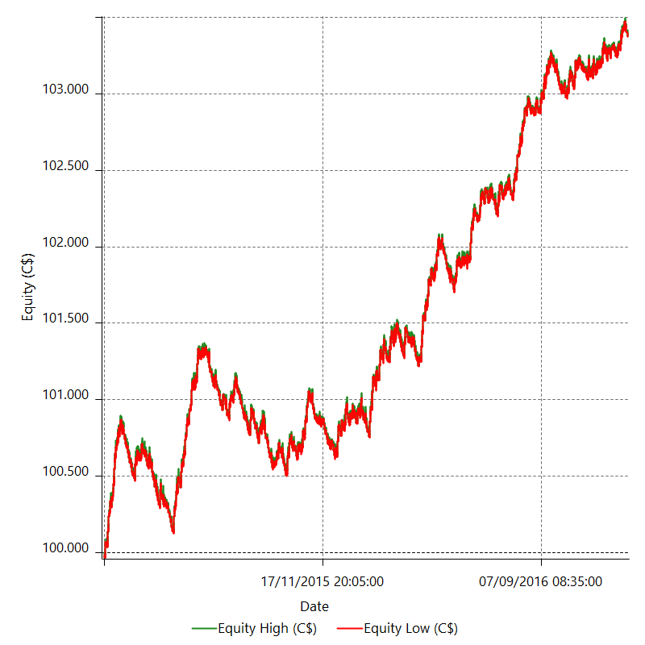

Equity Curve Detailed with DrawDown

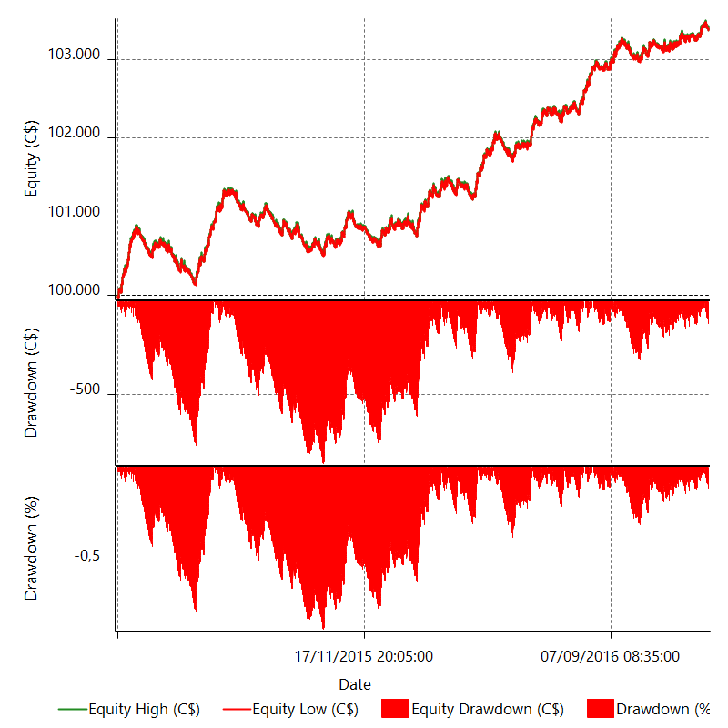

Equity Curve Detailed Long

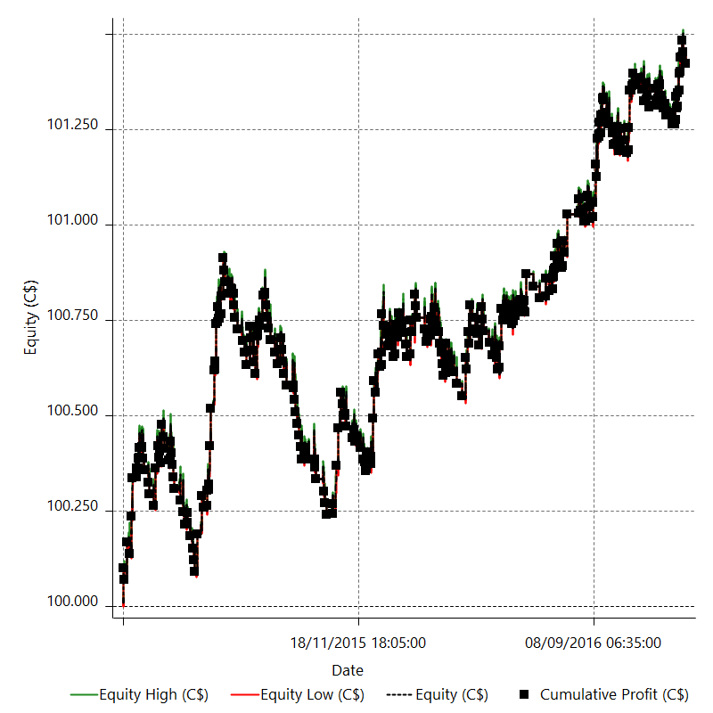

Equity Curve Detailed Short

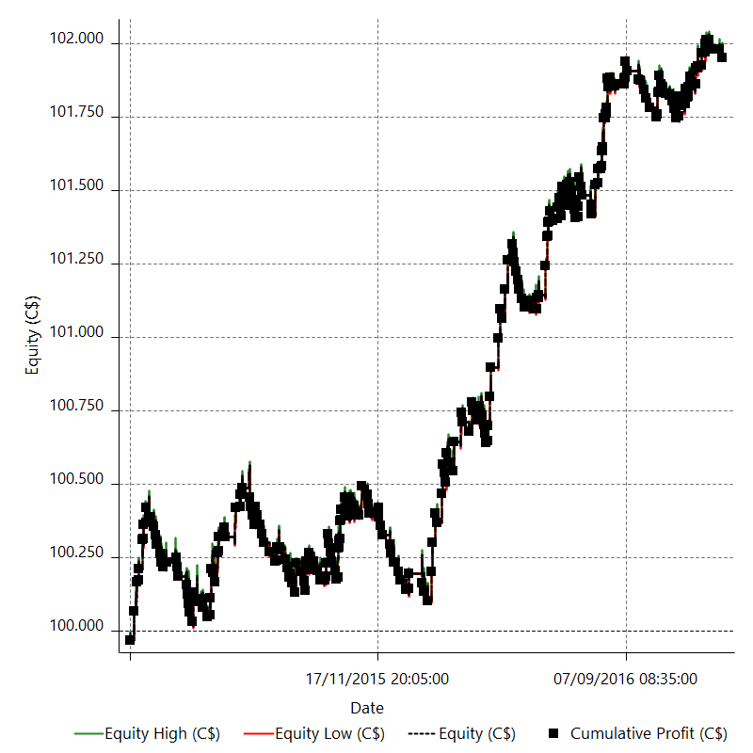

Equity Run-up & Drawdown

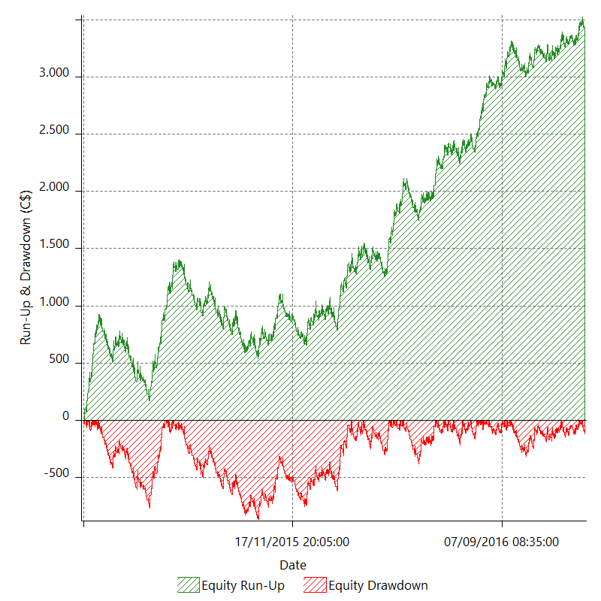

Equity Run-up & Drawdown (%)

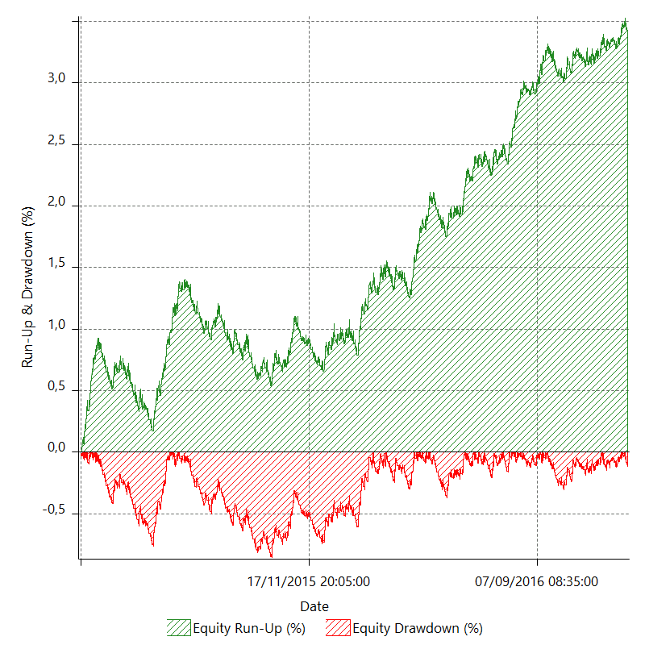

Equity Curve Close To Close

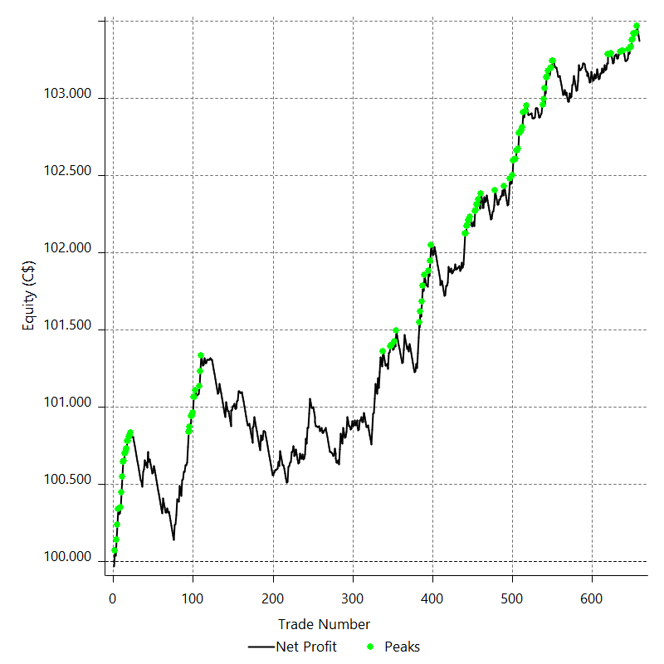

Equity Curve Close To Close With Drawdown

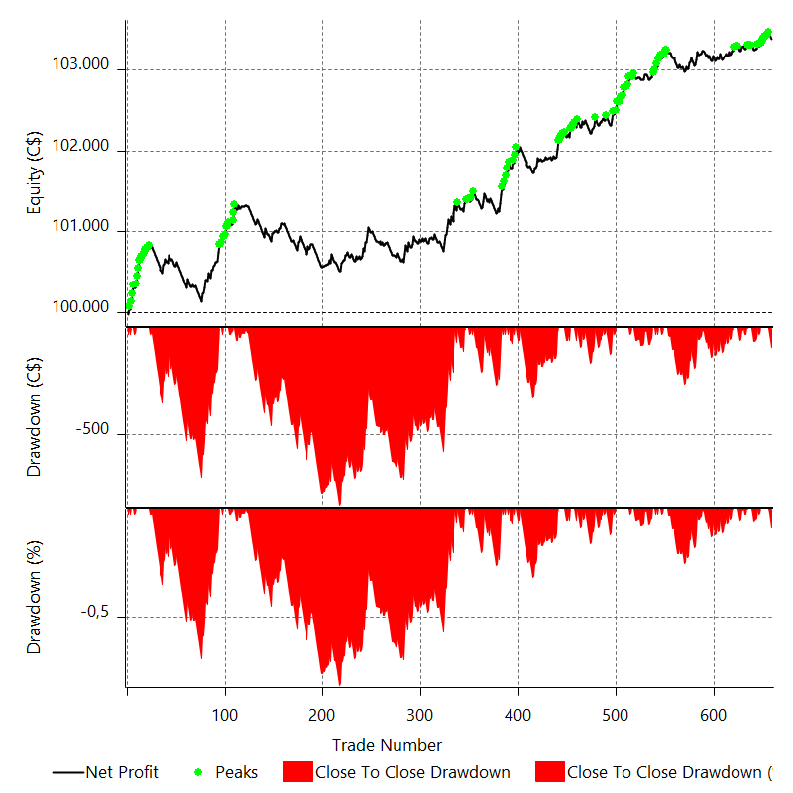

Buy & Hold Return

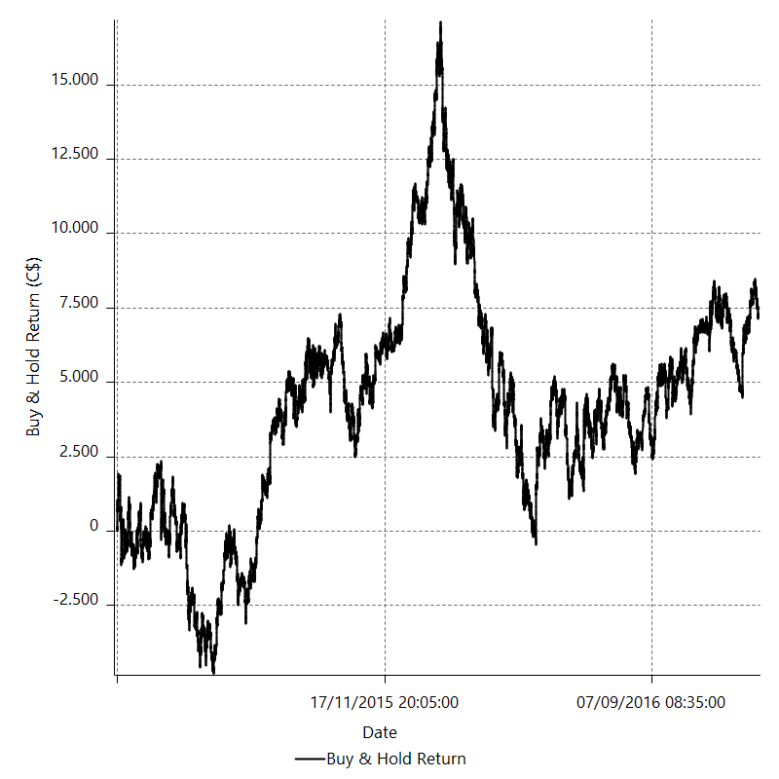

Value Added Monthly Index

Trade Analysis
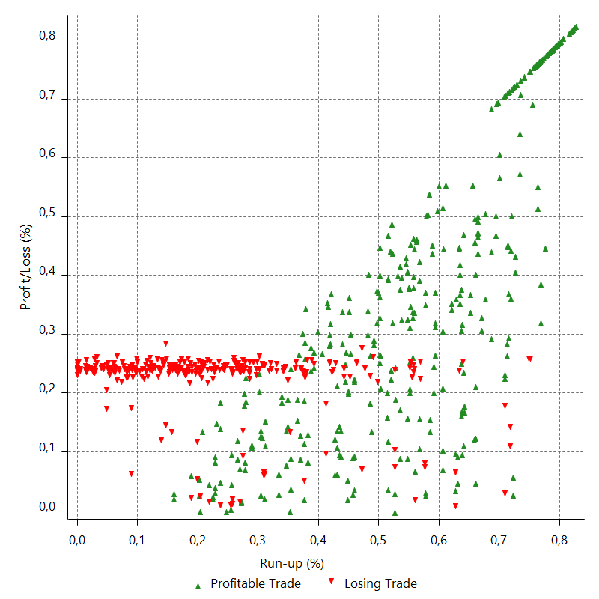
Total Trade Analysis

 | All Trades | Long Trades | Short Trades
Total # of Trades | 659 | 370 | 289
Total # of Open Trades | 0 | 0 | 0
Number Winning Trades | 355 | 202 | 153
Number Losing Trades | 304 | 168 | 136
% Profitable | 53.869499241 | 54.594594595 | 52.941176471
Avg Trade (win & loss) | 5.1196813354 | 3.8435675676 | 6.7534602076
Average Winning Trade | 33.315211268 | 30.283564356 | 37.317777778
Average Losing Trade | -27.806019737 | -27.947380952 | -27.631397059
Ratio Avg Win / Avg Loss | 1.1981294548 | 1.0835922124 | 1.3505570384
Largest Winning Trade | 99.54 | 99.4 | 99.54
Largest Losing Trade | -31 | -31 | -31
Avg # Bars in Trades | 18.3 | 18.8 | 17.7
Avg # Bars in Winning Trades | 23.4 | 23.9 | 22.8
Avg # Bars in Losing Trades | 12.3 | 12.6 | 11.9
Avg # Bars Between Trades | n/a | n/a | n/a
Avg # Bars Between Winning Trades | 44.3 | 95.1 | 134.3
Avg # Bars Between Losing Trades | 66.8 | 130.5 | 164.8

Outliers

 | Total | Positive | Negative
1 Std. Deviation of Avg. Trade | 41.064038683 | 36.601971129 | 8.8091234741
Avg. Trade +1 Std. Deviation | 46.183720019 | 69.917182397 | -18.996896263
Avg. Trade - 1 Std. Deviation | -35.944357348 | -3.2867598619 | -36.615143211
Number of Outliers | 70 | 70 | 0
Outlier Profit/Loss |  | 6892.88

Run-up/Drawdown

 | Run-up | Drawdown
Max Value | 99.63 | -47
Max Value Date | 2015-09-30 | 2015-07-27
Avg Value | 36.791259484 | -16.428861912
Max Value (%) | 0.82699580268 | -0.36144862941
Max Value (%) Date | 2015-05-18 | 2015-07-13
Avg Value (%) | 0.39912142009 | -0.15020419667
1 Std. Deviation | 32.018313601 | 13.268739312
Avg. Trade +1 Std. Deviation | 68.809573085 | -3.1601226001
Avg. Trade - 1 Std. Deviation | 4.772945883 | -29.697601224

Trade Series Analysis

Z-score | -6.8262506121
Confidence Limits | 0.99999999999
Strategy ME | 5.1196813354
Max Consec. Winners | 15
Max Consec. Losers | 11
Largest Consec. Profit | 530.07
Largest Consec. Loss | -324.5
Largest Consec. Profit (%) | 0.5284603099
Largest Consec. Loss (%) | -0.32190275977

Trade Series Statistics

Consecutive Winners | Number of Series | Avg. Gain per Series | Avg. Loss Next Trade
1 | 25 | 68.9692 | -30.2188
2 | 45 | 25.853555556 | -29.642
3 | 17 | 42.509607843 | -27.457058824
4 | 14 | 25.623928571 | -20.280714286
5 | 7 | 38.09 | -27.567142857
6 | 6 | 25.982222222 | -25.843333333
7 | 1 | 7.3385714286 | -2.38
8 | 1 | 29.69 | -31
10 | 1 | 32.936 | -31
11 | 2 | 34.367727273 | -31
15 | 1 | 35.338 | -31
Consecutive Losers | Number of Series | Avg. Loss per Series | Avg. Gain Next Trade
1 | 59 | -28.074237288 | 33.790508475
2 | 25 | -28.3616 | 30.8748
3 | 14 | -28.311666667 | 4.2871428571
4 | 7 | -26.04 | 32.255714286
5 | 1 | -31 | 5.01
6 | 4 | -27.240416667 | 51.18
7 | 3 | -31 | 66.433333333
8 | 3 | -27.664583333 | 5.91
9 | 1 | -20.648888889 | 4.67
10 | 2 | -27.0055 | 52.555
11 | 2 | -27.758636364 | 49.91

Total Trades

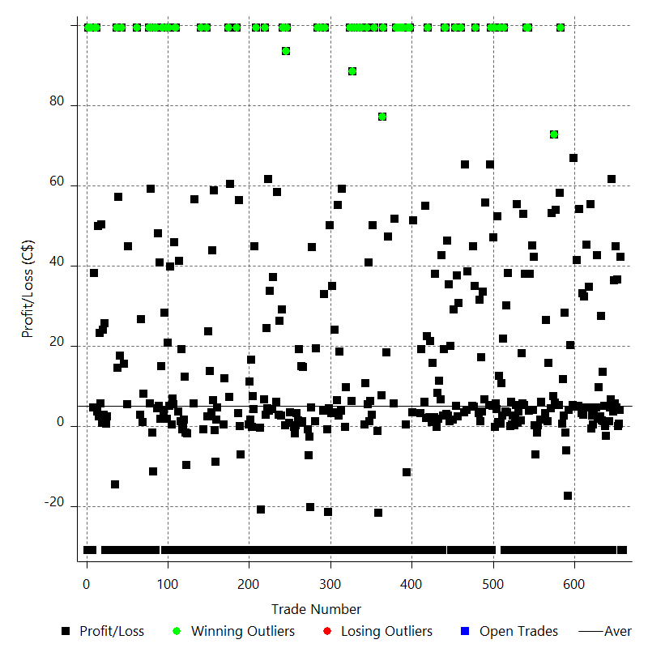

Winning Trades

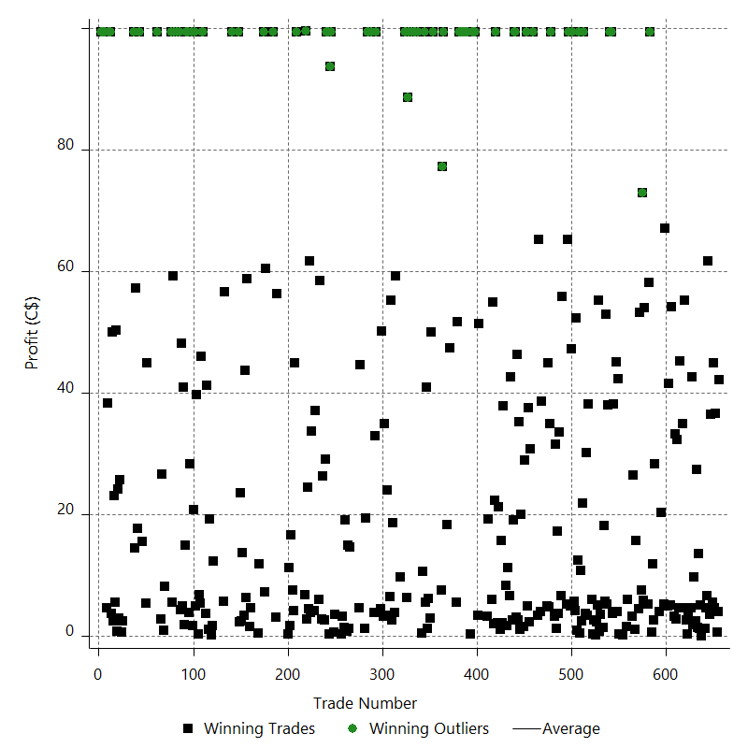

Losing Trades

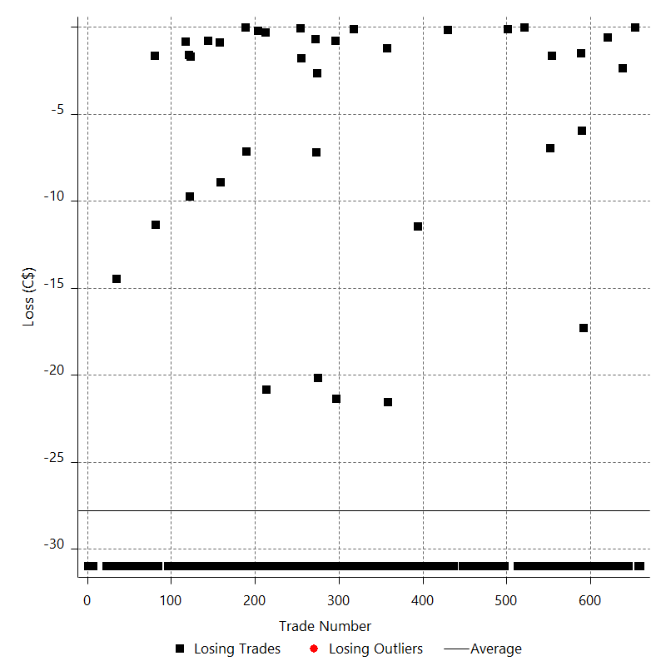

Drawdown

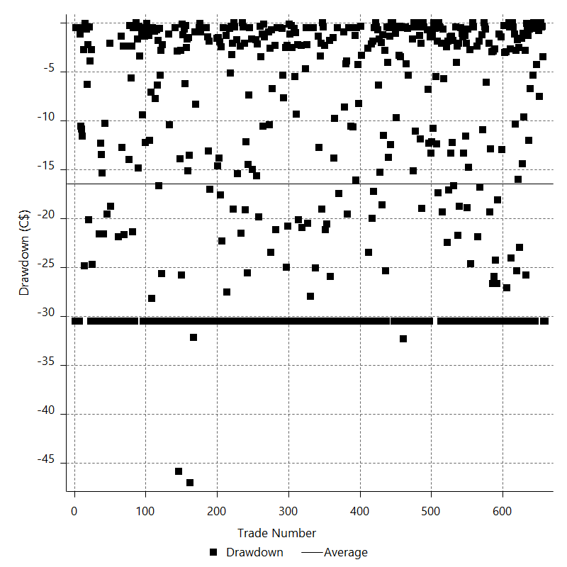

Drawdown P/L

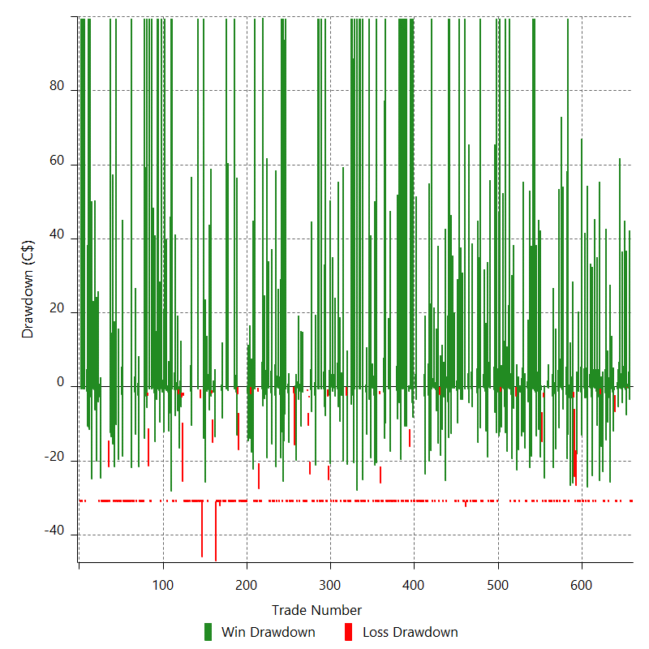

Maximum Adverse Excursion

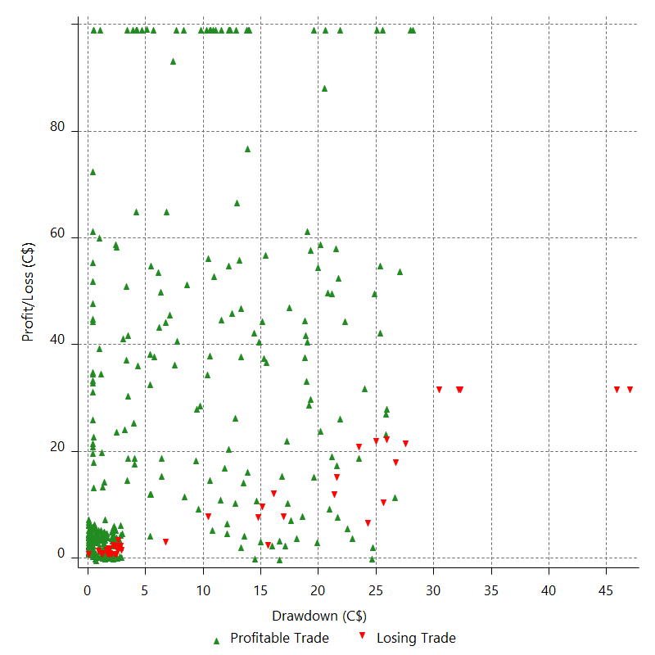

Maximum Adverse Excursion (%)

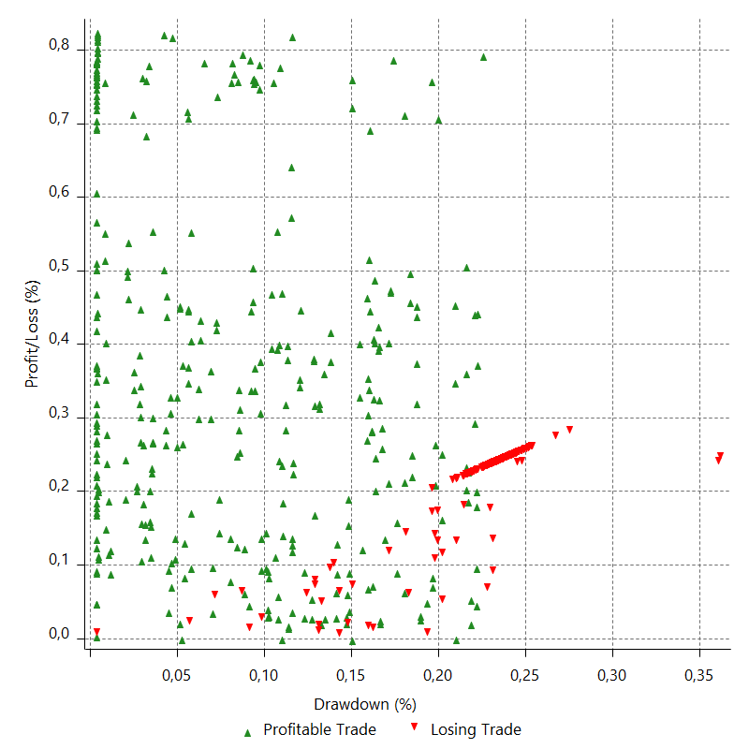

Run-up

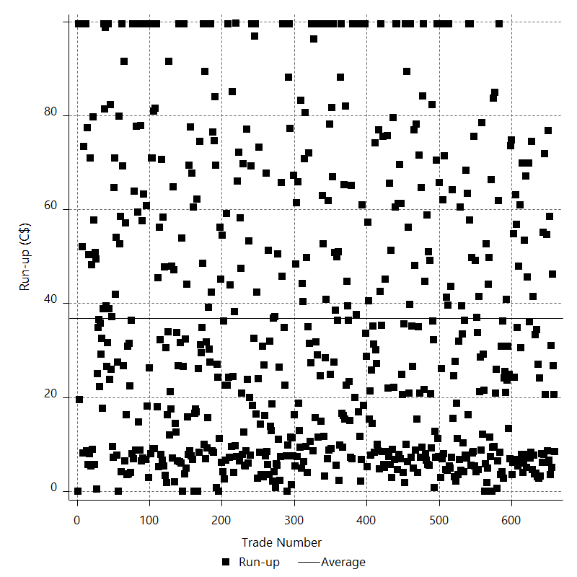

Run-up P/L

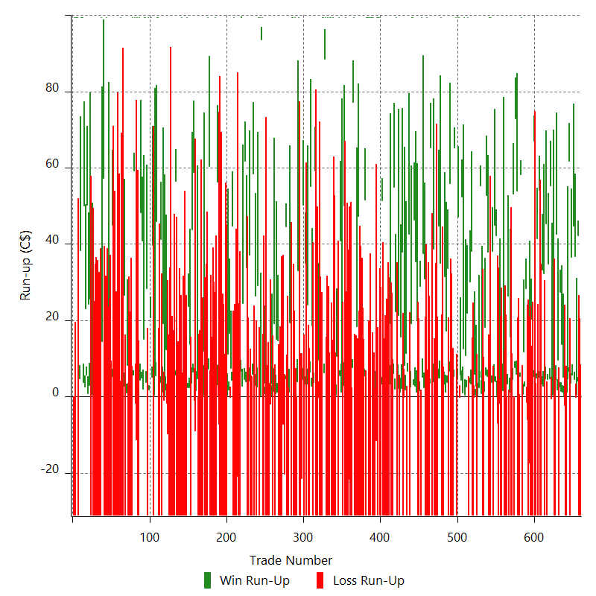

Maximum Favorable Excursion

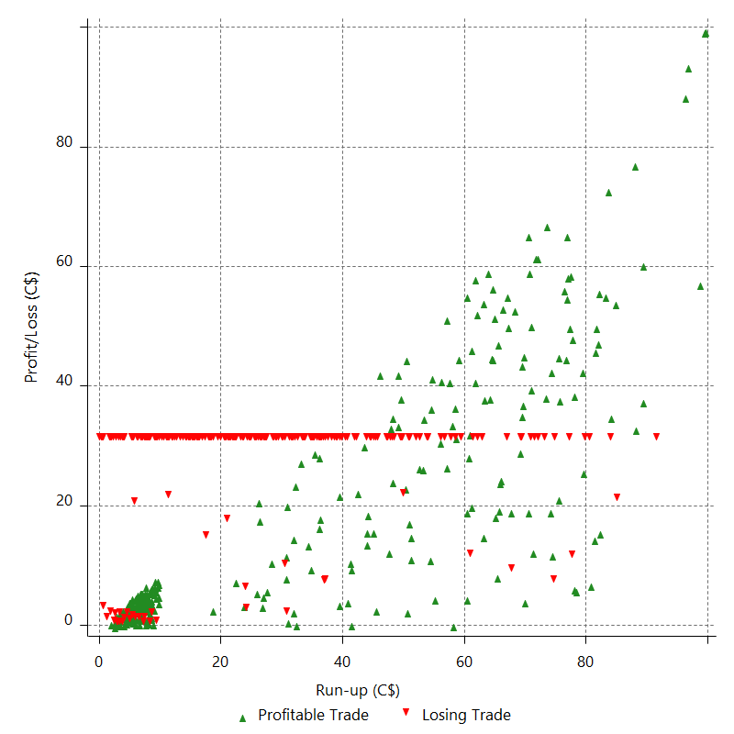

Maximum Favorable Excursion (%)

Periodical Analysis
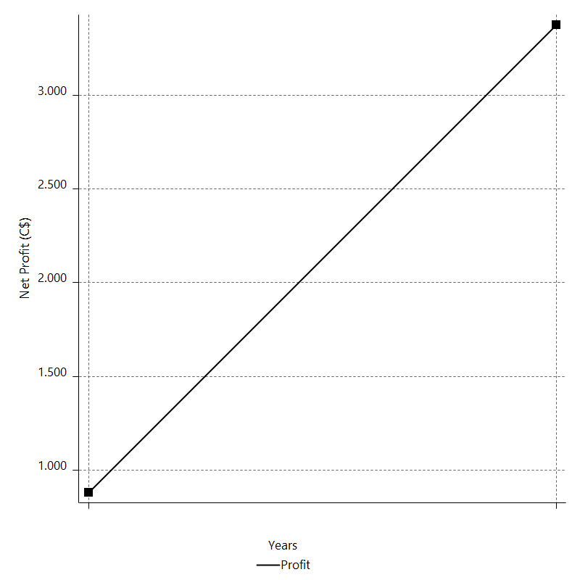
Daily Period Analysis

Period | Profit (C$) | Profit (%) | Gross Profit | Gross Loss | # Trades | % Profitable
2016-12-30 | -31 | -0.029979245658 | 0 | -31 | 1 | 0
2016-12-29 | -31 | -0.0299702608 | 0 | -31 | 1 | 0
2016-12-28 | -31 | -0.029961281326 | 0 | -31 | 1 | 0
2016-12-27 | 46.29 | 0.044758983173 | 46.29 | 0 | 2 | 100
2016-12-26 | 0.62 | 0.00059949742777 | 0.68 | -0.06 | 2 | 50
2016-12-23 | 41.31 | 0.039959895007 | 41.31 | 0 | 2 | 100
2016-12-22 | 50.54 | 0.04891214985 | 50.54 | 0 | 2 | 100
2016-12-21 | 40.12 | 0.038842850945 | 40.12 | 0 | 2 | 100
2016-12-20 | -31 | -0.030004164772 | 0 | -31 | 1 | 0
2016-12-19 | 68.44 | 0.066285361192 | 68.44 | 0 | 2 | 100
2016-12-16 | 5.92 | 0.0057339543955 | 5.92 | 0 | 2 | 100
2016-12-15 | -31 | -0.030016761941 | 0 | -31 | 1 | 0
2016-12-14 | -31 | -0.030007754585 | 0 | -31 | 1 | 0
2016-12-13 | -2.36 | -0.0022844091303 | 0.02 | -2.38 | 2 | 50
2016-12-12 | 6.33 | 0.006127625368 | 6.33 | 0 | 2 | 100
2016-12-09 | 15.11 | 0.014629062264 | 15.11 | 0 | 2 | 100
2016-12-08 | 29.91 | 0.028966379631 | 29.91 | 0 | 2 | 100
2016-12-07 | -31 | -0.030012981098 | 0 | -31 | 1 | 0
2016-12-06 | 11.53 | 0.011164138888 | 11.53 | 0 | 2 | 100
2016-12-05 | 47.32 | 0.045839481026 | 47.32 | 0 | 2 | 100
2016-12-02 | -31 | -0.030021075764 | 0 | -31 | 1 | 0
2016-12-01 | -31 | -0.030012065819 | 0 | -31 | 1 | 0
2016-11-30 | 4.49 | 0.0043470978523 | 4.49 | 0 | 2 | 100
2016-11-29 | 2.04 | 0.0019751124217 | 2.66 | -0.62 | 2 | 50
2016-11-28 | 60.03 | 0.058154387256 | 60.03 | 0 | 2 | 100
2016-11-25 | 39.49 | 0.038270792069 | 39.49 | 0 | 2 | 100
2016-11-24 | -31 | -0.030033887914 | 0 | -31 | 1 | 0
2016-11-23 | 50.06 | 0.048523418608 | 50.06 | 0 | 2 | 100
2016-11-22 | -31 | -0.030039434995 | 0 | -31 | 1 | 0
2016-11-21 | 35.13 | 0.034053055106 | 35.13 | 0 | 2 | 100
2016-11-18 | 36.6 | 0.035490582147 | 36.6 | 0 | 2 | 100
2016-11-17 | -31 | -0.030051295623 | 0 | -31 | 1 | 0
2016-11-16 | -31 | -0.030042267532 | 0 | -31 | 1 | 0
2016-11-15 | 59.21 | 0.057413675373 | 59.21 | 0 | 2 | 100
2016-11-14 | -31 | -0.030050482872 | 0 | -31 | 1 | 0
2016-11-11 | 46.48 | 0.045076646786 | 46.48 | 0 | 2 | 100
2016-11-10 | -31 | -0.030054992881 | 0 | -31 | 1 | 0
2016-11-09 | -31 | -0.030045962569 | 0 | -31 | 1 | 0
2016-11-08 | 72.32 | 0.070143489604 | 72.32 | 0 | 2 | 100
2016-11-07 | -31 | -0.030058000305 | 0 | -31 | 1 | 0
2016-11-04 | -31 | -0.030048968186 | 0 | -31 | 1 | 0
2016-11-03 | 20.3 | 0.019681100249 | 20.3 | 0 | 1 | 100
2016-11-02 | -31 | -0.030045851908 | 0 | -31 | 1 | 0
2016-11-01 | 4.1 | 0.0039739641378 | 4.1 | 0 | 1 | 100
2016-10-31 | -17.3 | -0.016765378892 | 0 | -17.3 | 1 | 0
2016-10-28 | -31 | -0.030032985907 | 0 | -31 | 1 | 0
2016-10-27 | -7.49 | -0.0072558304085 | 0 | -7.49 | 2 | 0
2016-10-26 | 31.14 | 0.030175532643 | 31.14 | 0 | 2 | 100
2016-10-25 | 12.48 | 0.012094932427 | 12.48 | 0 | 2 | 100
2016-10-24 | -31 | -0.030034478613 | 0 | -31 | 1 | 0
2016-10-21 | 99.4 | 0.096396936595 | 99.4 | 0 | 1 | 100
2016-10-20 | 63.52 | 0.061638909911 | 63.52 | 0 | 2 | 100
2016-10-19 | -31 | -0.030072915178 | 0 | -31 | 1 | 0
2016-10-18 | -31 | -0.030063874095 | 0 | -31 | 1 | 0
2016-10-17 | -31 | -0.030054838446 | 0 | -31 | 1 | 0
2016-10-14 | 60.02 | 0.058223925804 | 60.02 | 0 | 2 | 100
2016-10-13 | 80.43 | 0.078084088496 | 80.43 | 0 | 2 | 100
2016-10-12 | -31 | -0.030086764405 | 0 | -31 | 1 | 0
2016-10-11 | 57.74 | 0.056070446388 | 57.74 | 0 | 2 | 100
2016-10-10 | -31 | -0.030094574628 | 0 | -31 | 1 | 0
2016-10-07 | -31 | -0.030085520518 | 0 | -31 | 1 | 0
2016-10-06 | 16.92 | 0.016423568092 | 16.92 | 0 | 2 | 100
2016-10-05 | -31 | -0.030081409999 | 0 | -31 | 1 | 0
2016-10-04 | 29.83 | 0.028954460545 | 29.83 | 0 | 2 | 100
2016-10-03 | -31 | -0.03008106848 | 0 | -31 | 1 | 0
2016-09-30 | -31 | -0.030072022494 | 0 | -31 | 1 | 0
2016-09-29 | -31 | -0.030062981947 | 0 | -31 | 1 | 0
2016-09-28 | -31 | -0.030053946835 | 0 | -31 | 1 | 0
2016-09-27 | 7.66 | 0.007426784845 | 7.66 | 0 | 2 | 100
2016-09-26 | -31 | -0.030047147852 | 0 | -31 | 1 | 0
2016-09-23 | -31 | -0.030038122253 | 0 | -31 | 1 | 0
2016-09-22 | -1.45 | -0.0014049892039 | 0.23 | -1.68 | 2 | 50
2016-09-21 | -31 | -0.030028680296 | 0 | -31 | 1 | 0
2016-09-20 | -6.66 | -0.0064509067592 | 0.31 | -6.97 | 2 | 50
2016-09-19 | 46.3 | 0.044866514851 | 46.3 | 0 | 2 | 100
2016-09-16 | 49.13 | 0.047631572646 | 49.13 | 0 | 2 | 100
2016-09-15 | -31 | -0.030045493724 | 0 | -31 | 1 | 0
2016-09-14 | 41.9 | 0.040626375322 | 41.9 | 0 | 2 | 100
2016-09-13 | 99.4 | 0.096471538906 | 99.4 | 0 | 1 | 100
2016-09-12 | -31 | -0.030077647874 | 0 | -31 | 1 | 0
2016-09-09 | 99.4 | 0.096535623928 | 99.4 | 0 | 1 | 100
2016-09-08 | -31 | -0.030097622123 | 0 | -31 | 1 | 0
2016-09-07 | 43.31 | 0.042066979645 | 43.31 | 0 | 2 | 100
2016-09-06 | 58.58 | 0.056931115488 | 58.58 | 0 | 2 | 100
2016-09-05 | 19.62 | 0.019071381205 | 19.62 | 0 | 2 | 100
2016-09-02 | -31 | -0.030124093775 | 0 | -31 | 1 | 0
2016-09-01 | -31 | -0.030115021898 | 0 | -31 | 1 | 0
2016-08-31 | 4.51 | 0.0043814419219 | 4.51 | 0 | 2 | 100
2016-08-30 | 60.5 | 0.058810006255 | 60.5 | 0 | 2 | 100
2016-08-29 | 2.62 | 0.0025468783583 | 2.62 | 0 | 2 | 100
2016-08-26 | -31 | -0.030125741931 | 0 | -31 | 1 | 0
2016-08-25 | 3.17 | 0.0030806949659 | 3.17 | 0 | 2 | 100
2016-08-24 | 5.93 | 0.0057632725592 | 5.99 | -0.06 | 2 | 50
2016-08-23 | -31 | -0.030119331821 | 0 | -31 | 1 | 0
2016-08-22 | -31 | -0.030110262811 | 0 | -31 | 1 | 0
2016-08-19 | 41.6 | 0.040422363167 | 41.6 | 0 | 2 | 100
2016-08-18 | 33.91 | 0.03296091677 | 33.91 | 0 | 2 | 100
2016-08-17 | -31 | -0.030123285864 | 0 | -31 | 1 | 0
2016-08-16 | 99.4 | 0.096682242818 | 99.4 | 0 | 1 | 100
2016-08-15 | 24.49 | 0.023826079156 | 24.49 | 0 | 2 | 100
2016-08-12 | 11.29 | 0.010985136109 | 11.29 | 0 | 2 | 100
2016-08-11 | 99.4 | 0.096809531824 | 99.4 | 0 | 1 | 100
2016-08-10 | 13.43 | 0.013081711213 | 13.43 | 0 | 2 | 100
2016-08-09 | 56.6 | 0.05516256828 | 56.6 | 0 | 2 | 100
2016-08-08 | 5.57 | 0.0054288372035 | 5.72 | -0.15 | 2 | 50
2016-08-05 | 99.4 | 0.096974815036 | 99.4 | 0 | 1 | 100
2016-08-04 | 52.21 | 0.050962126092 | 52.21 | 0 | 2 | 100
2016-08-03 | -31 | -0.030249914056 | 0 | -31 | 1 | 0
2016-08-02 | 99.4 | 0.097089057135 | 99.4 | 0 | 1 | 100
2016-08-01 | 70.63 | 0.069035554826 | 70.63 | 0 | 2 | 100
2016-07-29 | -31 | -0.030291008652 | 0 | -31 | 1 | 0
2016-07-28 | -31 | -0.030281835978 | 0 | -31 | 1 | 0
2016-07-27 | -31 | -0.030272668858 | 0 | -31 | 1 | 0
2016-07-26 | -31 | -0.030263507287 | 0 | -31 | 1 | 0
2016-07-25 | 62.49 | 0.061042612511 | 62.49 | 0 | 2 | 100
2016-07-22 | -31 | -0.030272813714 | 0 | -31 | 1 | 0
2016-07-21 | 37.34 | 0.036477393541 | 37.34 | 0 | 2 | 100
2016-07-20 | 18.52 | 0.018095435837 | 18.52 | 0 | 2 | 100
2016-07-19 | 34.86 | 0.034072452735 | 34.86 | 0 | 2 | 100
2016-07-18 | -31 | -0.030290478852 | 0 | -31 | 1 | 0
2016-07-15 | -31 | -0.0302813065 | 0 | -31 | 1 | 0
2016-07-14 | -31 | -0.0302721397 | 0 | -31 | 1 | 0
2016-07-13 | 99.4 | 0.097160461088 | 99.4 | 0 | 1 | 100
2016-07-12 | 39.84 | 0.038957552988 | 39.84 | 0 | 2 | 100
2016-07-11 | 49.88 | 0.048798971034 | 49.88 | 0 | 2 | 100
2016-07-08 | -31 | -0.030318954422 | 0 | -31 | 1 | 0
2016-07-07 | -31 | -0.030309764819 | 0 | -31 | 1 | 0
2016-07-06 | -31 | -0.030300580784 | 0 | -31 | 1 | 0
2016-07-05 | -31 | -0.030291402313 | 0 | -31 | 1 | 0
2016-07-04 | -31 | -0.030282229401 | 0 | -31 | 1 | 0
2016-07-01 | 42.67 | 0.041699404657 | 42.67 | 0 | 2 | 100
2016-06-30 | -31 | -0.030285681907 | 0 | -31 | 1 | 0
2016-06-29 | 68.8 | 0.067259883195 | 68.8 | 0 | 2 | 100
2016-06-28 | -31 | -0.030296870236 | 0 | -31 | 1 | 0
2016-06-27 | -31 | -0.030287694012 | 0 | -31 | 1 | 0
2016-06-24 | -31 | -0.030278523346 | 0 | -31 | 1 | 0
2016-06-23 | 99.4 | 0.097180969737 | 99.4 | 0 | 1 | 100
2016-06-22 | -31 | -0.030298765374 | 0 | -31 | 1 | 0
2016-06-21 | -31 | -0.030289588003 | 0 | -31 | 1 | 0
2016-06-20 | 33.23 | 0.032479029621 | 33.23 | 0 | 2 | 100
2016-06-17 | 42.61 | 0.041664401411 | 42.61 | 0 | 2 | 100
2016-06-16 | 99.4 | 0.097288679982 | 99.4 | 0 | 1 | 100
2016-06-15 | -31 | -0.030332336737 | 0 | -31 | 1 | 0
2016-06-14 | 30.67 | 0.030018452491 | 30.67 | 0 | 2 | 100
2016-06-13 | -31 | -0.030332238796 | 0 | -31 | 1 | 0
2016-06-10 | -31 | -0.030323041139 | 0 | -31 | 1 | 0
2016-06-09 | 21.2 | 0.020741348632 | 21.2 | 0 | 2 | 100
2016-06-08 | 38.03 | 0.037221088962 | 38.03 | 0 | 2 | 100
2016-06-07 | 49.53 | 0.048499991138 | 49.53 | 0 | 2 | 100
2016-06-06 | 99.4 | 0.09742774101 | 99.4 | 0 | 1 | 100
2016-06-03 | 99.4 | 0.097522755228 | 99.4 | 0 | 1 | 100
2016-06-02 | 21.8 | 0.02139286595 | 21.8 | 0 | 2 | 100
2016-06-01 | -31 | -0.030411796324 | 0 | -31 | 1 | 0
2016-05-31 | 49.35 | 0.048437067833 | 49.35 | 0 | 2 | 100
2016-05-30 | -31 | -0.030417271987 | 0 | -31 | 1 | 0
2016-05-27 | 13.12 | 0.012875031918 | 13.12 | 0 | 2 | 100
2016-05-26 | 8.15 | 0.0079984682197 | 8.33 | -0.18 | 2 | 50
2016-05-25 | -31 | -0.030414368297 | 0 | -31 | 1 | 0
2016-05-24 | 40.2 | 0.039456129642 | 40.2 | 0 | 2 | 100
2016-05-23 | 16.84 | 0.016531120964 | 16.84 | 0 | 2 | 100
2016-05-20 | -31 | -0.030422140567 | 0 | -31 | 1 | 0
2016-05-19 | 23.53 | 0.023096719402 | 23.53 | 0 | 2 | 100
2016-05-18 | -31 | -0.030419910558 | 0 | -31 | 1 | 0
2016-05-17 | 99.4 | 0.097635204622 | 99.4 | 0 | 1 | 100
2016-05-16 | 24.4 | 0.023972536119 | 24.4 | 0 | 2 | 100
2016-05-13 | 61.08 | 0.060045972329 | 61.08 | 0 | 2 | 100
2016-05-12 | -31 | -0.030465914244 | 0 | -31 | 1 | 0
2016-05-11 | -31 | -0.030456635351 | 0 | -31 | 1 | 0
2016-05-10 | -31 | -0.030447362109 | 0 | -31 | 1 | 0
2016-05-09 | 22.51 | 0.022113602616 | 22.51 | 0 | 2 | 100
2016-05-06 | -31 | -0.030444823422 | 0 | -31 | 1 | 0
2016-05-05 | -31 | -0.030435557371 | 0 | -31 | 1 | 0
2016-05-04 | -31 | -0.030426296958 | 0 | -31 | 1 | 0
2016-05-03 | -31 | -0.030417042178 | 0 | -31 | 1 | 0
2016-05-02 | -31 | -0.030407793027 | 0 | -31 | 1 | 0
2016-04-29 | -31 | -0.030398549499 | 0 | -31 | 1 | 0
2016-04-28 | -31 | -0.030389311589 | 0 | -31 | 1 | 0
2016-04-27 | -31 | -0.030380079292 | 0 | -31 | 1 | 0
2016-04-26 | 54.87 | 0.05380167098 | 54.87 | 0 | 2 | 100
2016-04-25 | -31 | -0.030387187664 | 0 | -31 | 1 | 0
2016-04-22 | -31 | -0.030377956657 | 0 | -31 | 1 | 0
2016-04-21 | 99.4 | 0.09750041884 | 99.4 | 0 | 1 | 100
2016-04-20 | 99.4 | 0.097595574934 | 99.4 | 0 | 1 | 100
2016-04-19 | -31 | -0.030427990296 | 0 | -31 | 1 | 0
2016-04-18 | 99.4 | 0.097661162533 | 99.4 | 0 | 1 | 100
2016-04-15 | -11.05 | -0.010855520101 | 0.42 | -11.47 | 2 | 50
2016-04-14 | -31 | -0.030445128401 | 0 | -31 | 1 | 0
2016-04-13 | -31 | -0.030435862164 | 0 | -31 | 1 | 0
2016-04-12 | 99.4 | 0.097686452629 | 99.4 | 0 | 1 | 100
2016-04-11 | -31 | -0.030456315181 | 0 | -31 | 1 | 0
2016-04-08 | 99.4 | 0.097752162472 | 99.4 | 0 | 1 | 100
2016-04-07 | 99.4 | 0.097847810823 | 99.4 | 0 | 1 | 100
2016-04-06 | -31 | -0.030506607485 | 0 | -31 | 1 | 0
2016-04-05 | 99.4 | 0.097913737997 | 99.4 | 0 | 1 | 100
2016-04-04 | -31 | -0.030527155727 | 0 | -31 | 1 | 0
2016-04-01 | 99.4 | 0.097979754071 | 99.4 | 0 | 1 | 100
2016-03-31 | 99.4 | 0.098075848546 | 99.4 | 0 | 1 | 100
2016-03-30 | 99.4 | 0.098172131697 | 99.4 | 0 | 1 | 100
2016-03-29 | -31 | -0.030607692029 | 0 | -31 | 1 | 0
2016-03-28 | 57.31 | 0.056616772909 | 57.31 | 0 | 2 | 100
2016-03-25 | -31 | -0.030615645069 | 0 | -31 | 1 | 0
2016-03-24 | -31 | -0.03060627476 | 0 | -31 | 1 | 0
2016-03-23 | -31 | -0.030596910186 | 0 | -31 | 1 | 0
2016-03-22 | -31 | -0.03058755134 | 0 | -31 | 1 | 0
2016-03-21 | -31 | -0.030578198218 | 0 | -31 | 1 | 0
2016-03-18 | -31 | -0.030568850814 | 0 | -31 | 1 | 0
2016-03-17 | 47.4 | 0.046762616189 | 47.4 | 0 | 1 | 100
2016-03-16 | -31 | -0.03057379518 | 0 | -31 | 1 | 0
2016-03-15 | 18.4 | 0.01815032056 | 18.4 | 0 | 1 | 100
2016-03-14 | -31 | -0.030569996318 | 0 | -31 | 1 | 0
2016-03-11 | -31 | -0.030560653927 | 0 | -31 | 1 | 0
2016-03-10 | -31 | -0.030551317245 | 0 | -31 | 1 | 0
2016-03-09 | 99.4 | 0.098057378759 | 99.4 | 0 | 1 | 100
2016-03-08 | 84.94 | 0.083862964717 | 84.94 | 0 | 2 | 100
2016-03-07 | -31 | -0.030597556459 | 0 | -31 | 1 | 0
2016-03-04 | -31 | -0.030588197218 | 0 | -31 | 1 | 0
2016-03-03 | -31 | -0.030578843701 | 0 | -31 | 1 | 0
2016-03-02 | -22.79 | -0.022475329652 | 0 | -22.79 | 2 | 0
2016-03-01 | -31 | -0.030562627408 | 0 | -31 | 1 | 0
2016-02-29 | -31 | -0.03055328952 | 0 | -31 | 1 | 0
2016-02-26 | -31 | -0.030543957336 | 0 | -31 | 1 | 0
2016-02-25 | 99.4 | 0.09803373327 | 99.4 | 0 | 1 | 100
2016-02-24 | -31 | -0.030564555941 | 0 | -31 | 1 | 0
2016-02-23 | 53.04 | 0.052322331208 | 53.04 | 0 | 2 | 100
2016-02-22 | -31 | -0.030571199189 | 0 | -31 | 1 | 0
2016-02-19 | 7.57 | 0.0074658469555 | 7.57 | 0 | 2 | 100
2016-02-18 | 46.44 | 0.045822034873 | 46.44 | 0 | 2 | 100
2016-02-17 | 99.4 | 0.098173595806 | 99.4 | 0 | 1 | 100
2016-02-16 | -31 | -0.030608148363 | 0 | -31 | 1 | 0
2016-02-15 | 11.13 | 0.010990520405 | 11.13 | 0 | 2 | 100
2016-02-12 | -31 | -0.030602144579 | 0 | -31 | 1 | 0
2016-02-11 | -31 | -0.030592782531 | 0 | -31 | 1 | 0
2016-02-10 | -31 | -0.03058342621 | 0 | -31 | 1 | 0
2016-02-09 | 99.4 | 0.098160536719 | 99.4 | 0 | 1 | 100
2016-02-08 | -31 | -0.030604078102 | 0 | -31 | 1 | 0
2016-02-05 | -31 | -0.030594714872 | 0 | -31 | 1 | 0
2016-02-04 | 99.4 | 0.098196804376 | 99.4 | 0 | 1 | 100
2016-02-03 | 99.4 | 0.09829332528 | 99.4 | 0 | 1 | 100
2016-02-02 | -31 | -0.030645465672 | 0 | -31 | 1 | 0
2016-02-01 | -31 | -0.030636077104 | 0 | -31 | 1 | 0
2016-01-29 | 99.4 | 0.098329691145 | 99.4 | 0 | 1 | 100
2016-01-28 | -31 | -0.030656800188 | 0 | -31 | 1 | 0
2016-01-27 | -31 | -0.030647404674 | 0 | -31 | 1 | 0
2016-01-26 | 99.4 | 0.098366083928 | 99.4 | 0 | 1 | 100
2016-01-25 | 94.97 | 0.094070572443 | 94.97 | 0 | 2 | 100
2016-01-22 | 99.4 | 0.098555654001 | 99.4 | 0 | 1 | 100
2016-01-21 | 99.4 | 0.098652881994 | 99.4 | 0 | 1 | 100
2016-01-20 | -31 | -0.030757532222 | 0 | -31 | 1 | 0
2016-01-19 | -31 | -0.030748074873 | 0 | -31 | 1 | 0
2016-01-18 | -31 | -0.030738623338 | 0 | -31 | 1 | 0
2016-01-15 | -31 | -0.030729177612 | 0 | -31 | 1 | 0
2016-01-14 | 9.53 | 0.0094476364502 | 9.68 | -0.15 | 2 | 50
2016-01-13 | -31 | -0.030722639087 | 0 | -31 | 1 | 0
2016-01-12 | -31 | -0.03071320318 | 0 | -31 | 1 | 0
2016-01-11 | -31 | -0.030703773068 | 0 | -31 | 1 | 0
2016-01-08 | 63.03 | 0.062466700284 | 63.03 | 0 | 2 | 100
2016-01-07 | -31 | -0.030713516603 | 0 | -31 | 1 | 0
2016-01-06 | 21.4 | 0.021206730342 | 21.4 | 0 | 2 | 100
2016-01-05 | 61.76 | 0.061239707446 | 61.76 | 0 | 2 | 100
2016-01-04 | -31 | -0.030729396931 | 0 | -31 | 1 | 0
2015-12-31 | -31 | -0.030719956873 | 0 | -31 | 1 | 0
2015-12-30 | 27.5 | 0.027259003153 | 27.5 | 0 | 2 | 100
2015-12-29 | -31 | -0.030718891425 | 0 | -31 | 1 | 0
2015-12-28 | 38.31 | 0.037977021275 | 38.31 | 0 | 2 | 100
2015-12-24 | -31 | -0.030721116774 | 0 | -31 | 1 | 0
2015-12-23 | 54.74 | 0.054276990136 | 54.74 | 0 | 2 | 100
2015-12-22 | -22.18 | -0.021987558294 | 0 | -22.18 | 2 | 0
2015-12-21 | -31 | -0.030721591719 | 0 | -31 | 1 | 0
2015-12-18 | -31 | -0.030712156456 | 0 | -31 | 1 | 0
2015-12-17 | 99.4 | 0.09857411648 | 99.4 | 0 | 1 | 100
2015-12-16 | 36.94 | 0.036646501831 | 36.94 | 0 | 2 | 100
2015-12-15 | -31 | -0.030744241727 | 0 | -31 | 1 | 0
2015-12-14 | -31 | -0.030734792549 | 0 | -31 | 1 | 0
2015-12-11 | 99.4 | 0.098646841232 | 99.4 | 0 | 1 | 100
2015-12-10 | -31 | -0.030755649441 | 0 | -31 | 1 | 0
2015-12-09 | -31 | -0.030746193249 | 0 | -31 | 1 | 0
2015-12-08 | 99.4 | 0.098683469198 | 99.4 | 0 | 1 | 100
2015-12-07 | 99.4 | 0.098780949667 | 99.4 | 0 | 1 | 100
2015-12-04 | -31 | -0.030797448263 | 0 | -31 | 1 | 0
2015-12-03 | 20.63 | 0.020499406481 | 20.63 | 0 | 2 | 100
2015-12-02 | -31 | -0.030794275761 | 0 | -31 | 1 | 0
2015-12-01 | -31 | -0.030784795806 | 0 | -31 | 1 | 0
2015-11-30 | -31 | -0.030775321686 | 0 | -31 | 1 | 0
2015-11-27 | 49.27 | 0.048936842867 | 49.27 | 0 | 2 | 100
2015-11-26 | -22.87 | -0.022710197425 | 0 | -22.87 | 2 | 0
2015-11-25 | -7.97 | -0.0079136838516 | 0 | -7.97 | 2 | 0
2015-11-24 | -31 | -0.030771481745 | 0 | -31 | 1 | 0
2015-11-23 | -31 | -0.030762015817 | 0 | -31 | 1 | 0
2015-11-20 | -31 | -0.030752555711 | 0 | -31 | 1 | 0
2015-11-19 | -31 | -0.030743101422 | 0 | -31 | 1 | 0
2015-11-18 | -31 | -0.030733652943 | 0 | -31 | 1 | 0
2015-11-17 | 15.94 | 0.015805543819 | 15.94 | 0 | 2 | 100
2015-11-16 | 15.84 | 0.015708854627 | 15.84 | 0 | 2 | 100
2015-11-13 | -31 | -0.030733890608 | 0 | -31 | 1 | 0
2015-11-12 | 20.58 | 0.020407501512 | 20.58 | 0 | 2 | 100
2015-11-11 | -31 | -0.030730715955 | 0 | -31 | 1 | 0
2015-11-10 | 3.61 | 0.00357876951 | 3.61 | 0 | 2 | 100
2015-11-09 | -1.94 | -0.0019231798689 | 0 | -1.94 | 2 | 0
2015-11-06 | -31 | -0.030721783528 | 0 | -31 | 1 | 0
2015-11-05 | -31 | -0.030712348147 | 0 | -31 | 1 | 0
2015-11-04 | -31 | -0.03070291856 | 0 | -31 | 1 | 0
2015-11-03 | -31 | -0.030693494761 | 0 | -31 | 1 | 0
2015-11-02 | 4.31 | 0.0042675679982 | 4.31 | 0 | 2 | 100
2015-10-30 | -31 | -0.030685385808 | 0 | -31 | 1 | 0
2015-10-29 | -31 | -0.030675972767 | 0 | -31 | 1 | 0
2015-10-28 | 99.4 | 0.098457866521 | 99.4 | 0 | 1 | 100
2015-10-27 | 93.6 | 0.092798876578 | 93.6 | 0 | 1 | 100
2015-10-26 | 0.3 | 0.00029743318139 | 0.3 | 0 | 1 | 100
2015-10-23 | 99.4 | 0.098646743333 | 99.4 | 0 | 1 | 100
2015-10-22 | -31 | -0.030755618928 | 0 | -31 | 1 | 0
2015-10-21 | 99.4 | 0.098713751868 | 99.4 | 0 | 1 | 100
2015-10-20 | 31.78 | 0.031570557763 | 31.78 | 0 | 2 | 100
2015-10-19 | -31 | -0.030786217428 | 0 | -31 | 1 | 0
2015-10-16 | 29.21 | 0.029016979055 | 29.21 | 0 | 2 | 100
2015-10-15 | -31 | -0.030785670164 | 0 | -31 | 1 | 0
2015-10-14 | 64.45 | 0.064045393228 | 64.45 | 0 | 2 | 100
2015-10-13 | -31 | -0.030795900172 | 0 | -31 | 1 | 0
2015-10-12 | -31 | -0.030786419217 | 0 | -31 | 1 | 0
2015-10-09 | -31 | -0.030776944098 | 0 | -31 | 1 | 0
2015-10-08 | 41.34 | 0.041059395982 | 41.34 | 0 | 2 | 100
2015-10-07 | -31 | -0.03078010386 | 0 | -31 | 1 | 0
2015-10-06 | -31 | -0.030770632627 | 0 | -31 | 1 | 0
2015-10-05 | 37.66 | 0.03739533452 | 37.66 | 0 | 2 | 100
2015-10-02 | 66.22 | 0.065797886817 | 66.22 | 0 | 2 | 100
2015-10-01 | 27.33 | 0.027163163848 | 27.33 | 0 | 2 | 100
2015-09-30 | 106.31 | 0.10577279057 | 106.31 | 0 | 2 | 100
2015-09-29 | -31 | -0.030833839522 | 0 | -31 | 1 | 0
2015-09-28 | -31 | -0.030824335196 | 0 | -31 | 1 | 0
2015-09-25 | -31 | -0.030814836728 | 0 | -31 | 1 | 0
2015-09-24 | -21.16 | -0.021029187936 | 0 | -21.16 | 2 | 0
2015-09-23 | -31 | -0.030798867993 | 0 | -31 | 1 | 0
2015-09-22 | -31 | -0.03078938521 | 0 | -31 | 1 | 0
2015-09-21 | -31 | -0.030779908266 | 0 | -31 | 1 | 0
2015-09-18 | 99.4 | 0.098791788355 | 99.4 | 0 | 1 | 100
2015-09-17 | -31 | -0.030800826456 | 0 | -31 | 1 | 0
2015-09-16 | 49.14 | 0.048848127553 | 49.14 | 0 | 2 | 100
2015-09-15 | 7.29 | 0.0072472254261 | 7.52 | -0.23 | 2 | 50
2015-09-14 | 18.34 | 0.018235713601 | 18.34 | 0 | 2 | 100
2015-09-11 | 11.63 | 0.011565205934 | 11.63 | 0 | 2 | 100
2015-09-10 | -31 | -0.030817789818 | 0 | -31 | 1 | 0
2015-09-09 | -31 | -0.030808295382 | 0 | -31 | 1 | 0
2015-09-08 | -31 | -0.030798806795 | 0 | -31 | 1 | 0
2015-09-07 | -31 | -0.03078932405 | 0 | -31 | 1 | 0
2015-09-04 | -31 | -0.030779847143 | 0 | -31 | 1 | 0
2015-09-03 | -31 | -0.030770376069 | 0 | -31 | 1 | 0
2015-09-02 | -31 | -0.030760910821 | 0 | -31 | 1 | 0
2015-09-01 | -31 | -0.030751451394 | 0 | -31 | 1 | 0
2015-08-31 | -31 | -0.030741997784 | 0 | -31 | 1 | 0
2015-08-28 | -7.19 | -0.0071296517755 | 0 | -7.19 | 2 | 0
2015-08-27 | 59.55 | 0.059085065528 | 59.55 | 0 | 2 | 100
2015-08-26 | -31 | -0.030748511003 | 0 | -31 | 1 | 0
2015-08-25 | 99.4 | 0.09869091564 | 99.4 | 0 | 1 | 100
2015-08-24 | -31 | -0.030769386525 | 0 | -31 | 1 | 0
2015-08-21 | -31 | -0.030759921886 | 0 | -31 | 1 | 0
2015-08-20 | -31 | -0.030750463067 | 0 | -31 | 1 | 0
2015-08-19 | -31 | -0.030741010064 | 0 | -31 | 1 | 0
2015-08-18 | -31 | -0.030731562871 | 0 | -31 | 1 | 0
2015-08-17 | -31 | -0.030722121483 | 0 | -31 | 1 | 0
2015-08-14 | -31 | -0.030712685895 | 0 | -31 | 1 | 0
2015-08-13 | 67.65 | 0.067067957438 | 67.65 | 0 | 2 | 100
2015-08-12 | 99.4 | 0.09864199545 | 99.4 | 0 | 1 | 100
2015-08-11 | -31 | -0.03075413911 | 0 | -31 | 1 | 0
2015-08-10 | -31 | -0.030744683847 | 0 | -31 | 1 | 0
2015-08-07 | -31 | -0.030735234397 | 0 | -31 | 1 | 0
2015-08-06 | -31 | -0.030725790753 | 0 | -31 | 1 | 0
2015-08-05 | 12.43 | 0.012321568961 | 12.43 | 0 | 2 | 100
2015-08-04 | -31 | -0.030720136485 | 0 | -31 | 1 | 0
2015-08-03 | -31 | -0.030710702115 | 0 | -31 | 1 | 0
2015-07-31 | -31 | -0.030701273538 | 0 | -31 | 1 | 0
2015-07-30 | -31 | -0.030691850749 | 0 | -31 | 1 | 0
2015-07-29 | -31 | -0.030682433743 | 0 | -31 | 1 | 0
2015-07-28 | -31 | -0.030673022513 | 0 | -31 | 1 | 0
2015-07-27 | -31 | -0.030663617055 | 0 | -31 | 1 | 0
2015-07-24 | 6.23 | 0.0061627776539 | 6.23 | 0 | 2 | 100
2015-07-23 | -9.86 | -0.0097526583412 | 0 | -9.86 | 2 | 0
2015-07-22 | 65.25 | 0.064581331353 | 65.25 | 0 | 2 | 100
2015-07-21 | 47.27 | 0.046807485871 | 47.27 | 0 | 2 | 100
2015-07-20 | -31 | -0.030687259996 | 0 | -31 | 1 | 0
2015-07-17 | 16.2 | 0.016039140255 | 16.2 | 0 | 2 | 100
2015-07-16 | 25.99 | 0.02573855236 | 25.99 | 0 | 2 | 100
2015-07-15 | 99.4 | 0.09853532298 | 99.4 | 0 | 1 | 100
2015-07-14 | -31 | -0.030720891485 | 0 | -31 | 1 | 0
2015-07-13 | -31 | -0.030711456651 | 0 | -31 | 1 | 0
2015-07-10 | -31.83 | -0.031523790509 | 0 | -31.83 | 2 | 0
2015-07-09 | -31 | -0.030692352139 | 0 | -31 | 1 | 0
2015-07-08 | -31 | -0.030682934825 | 0 | -31 | 1 | 0
2015-07-07 | 99.4 | 0.098480234006 | 99.4 | 0 | 1 | 100
2015-07-06 | -31 | -0.03070372137 | 0 | -31 | 1 | 0
2015-07-03 | -31 | -0.030694297079 | 0 | -31 | 1 | 0
2015-07-02 | -31 | -0.030684878571 | 0 | -31 | 1 | 0
2015-07-01 | -31 | -0.030675465842 | 0 | -31 | 1 | 0
2015-06-30 | -31 | -0.030666058885 | 0 | -31 | 1 | 0
2015-06-29 | -31 | -0.030656657696 | 0 | -31 | 1 | 0
2015-06-26 | -31 | -0.03064726227 | 0 | -31 | 1 | 0
2015-06-25 | 62.28 | 0.061609272176 | 62.28 | 0 | 2 | 100
2015-06-24 | -31 | -0.030656742585 | 0 | -31 | 1 | 0
2015-06-23 | -31 | -0.030647347106 | 0 | -31 | 1 | 0
2015-06-22 | -31 | -0.030637957385 | 0 | -31 | 1 | 0
2015-06-19 | -31 | -0.030628573416 | 0 | -31 | 1 | 0
2015-06-18 | -31 | -0.030619195193 | 0 | -31 | 1 | 0
2015-06-17 | -31 | -0.030609822712 | 0 | -31 | 1 | 0
2015-06-16 | -32.73 | -0.032307607114 | 0 | -32.73 | 2 | 0
2015-06-15 | -11.38 | -0.011231875154 | 0 | -11.38 | 2 | 0
2015-06-12 | 14.09 | 0.013908535339 | 14.09 | 0 | 2 | 100
2015-06-11 | -0.71 | -0.00070085102069 | 0.14 | -0.85 | 2 | 50
2015-06-10 | 20.43 | 0.020170809137 | 20.43 | 0 | 2 | 100
2015-06-09 | -31 | -0.030597345058 | 0 | -31 | 1 | 0
2015-06-08 | 44.94 | 0.04437596375 | 44.94 | 0 | 2 | 100
2015-06-05 | -31 | -0.030601555507 | 0 | -31 | 1 | 0
2015-06-04 | -31 | -0.03059219382 | 0 | -31 | 1 | 0
2015-06-03 | 99.4 | 0.098188704861 | 99.4 | 0 | 1 | 100
2015-06-02 | 99.4 | 0.098285209836 | 99.4 | 0 | 1 | 100
2015-06-01 | 51.39 | 0.050839484641 | 51.39 | 0 | 2 | 100
2015-05-29 | 7.17 | 0.0070936945465 | 7.17 | 0 | 2 | 100
2015-05-28 | -31 | -0.030660684339 | 0 | -31 | 1 | 0
2015-05-27 | 44.77 | 0.044299578348 | 44.77 | 0 | 2 | 100
2015-05-26 | 99.4 | 0.09845238594 | 99.4 | 0 | 1 | 100
2015-05-25 | 22.6 | 0.022389558303 | 22.6 | 0 | 2 | 100
2015-05-22 | 99.4 | 0.098571496713 | 99.4 | 0 | 1 | 100
2015-05-21 | -31 | -0.030732166099 | 0 | -31 | 1 | 0
2015-05-20 | 32.16 | 0.03189231188 | 32.16 | 0 | 2 | 100
2015-05-19 | 99.4 | 0.098669892133 | 99.4 | 0 | 1 | 100
2015-05-18 | 99.4 | 0.098767345767 | 99.4 | 0 | 1 | 100
2015-05-15 | 16.89 | 0.016785316694 | 16.89 | 0 | 2 | 100
2015-05-14 | 45.92 | 0.045656225722 | 45.92 | 0 | 2 | 100
2015-05-13 | 52.59 | 0.052315266379 | 52.59 | 0 | 2 | 100
2015-05-12 | 99.4 | 0.098978598616 | 99.4 | 0 | 1 | 100
2015-05-11 | -31 | -0.030859051283 | 0 | -31 | 1 | 0
2015-05-08 | -31 | -0.030849531411 | 0 | -31 | 1 | 0
2015-05-07 | 99.4 | 0.099015473409 | 99.4 | 0 | 1 | 100
2015-05-06 | -13.04 | -0.012987867997 | 0 | -13.04 | 2 | 0
2015-05-05 | 99.4 | 0.099100725718 | 99.4 | 0 | 1 | 100
2015-05-04 | 64.93 | 0.064776440969 | 64.93 | 0 | 2 | 100
2015-05-01 | 99.4 | 0.099263354067 | 99.4 | 0 | 1 | 100
2015-04-30 | -31 | -0.030947803435 | 0 | -31 | 1 | 0
2015-04-29 | -31 | -0.030938228733 | 0 | -31 | 1 | 0
2015-04-28 | -31 | -0.030928659953 | 0 | -31 | 1 | 0
2015-04-27 | -31 | -0.030919097091 | 0 | -31 | 1 | 0
2015-04-24 | -31 | -0.03090954014 | 0 | -31 | 1 | 0
2015-04-23 | -31 | -0.030899989095 | 0 | -31 | 1 | 0
2015-04-22 | 9.2 | 0.0091711603691 | 9.2 | 0 | 2 | 100
2015-04-21 | -31 | -0.030893276088 | 0 | -31 | 1 | 0
2015-04-20 | 29.47 | 0.029377171077 | 29.47 | 0 | 2 | 100
2015-04-17 | -31 | -0.030892805056 | 0 | -31 | 1 | 0
2015-04-16 | -31 | -0.030883264349 | 0 | -31 | 1 | 0
2015-04-15 | -31 | -0.030873729534 | 0 | -31 | 1 | 0
2015-04-14 | 99.4 | 0.099093217309 | 99.4 | 0 | 1 | 100
2015-04-13 | -31 | -0.030894775484 | 0 | -31 | 1 | 0
2015-04-10 | -31 | -0.030885233561 | 0 | -31 | 1 | 0
2015-04-09 | -31 | -0.030875697529 | 0 | -31 | 1 | 0
2015-04-08 | -31 | -0.030866167385 | 0 | -31 | 1 | 0
2015-04-07 | -31 | -0.030856643122 | 0 | -31 | 1 | 0
2015-04-06 | -31 | -0.030847124735 | 0 | -31 | 1 | 0
2015-04-03 | -31 | -0.030837612218 | 0 | -31 | 1 | 0
2015-04-02 | -31 | -0.030828105566 | 0 | -31 | 1 | 0
2015-04-01 | -31 | -0.030818604774 | 0 | -31 | 1 | 0
2015-03-31 | -31 | -0.030809109836 | 0 | -31 | 1 | 0
2015-03-30 | 50.35 | 0.050065009937 | 50.35 | 0 | 2 | 100
2015-03-27 | -31 | -0.030815035829 | 0 | -31 | 1 | 0
2015-03-26 | -31 | -0.03080554309 | 0 | -31 | 1 | 0
2015-03-25 | -31 | -0.030796056197 | 0 | -31 | 1 | 0
2015-03-24 | 15.6 | 0.015499772273 | 15.6 | 0 | 1 | 100
2015-03-23 | -31 | -0.030791345526 | 0 | -31 | 1 | 0
2015-03-20 | -31 | -0.030781867375 | 0 | -31 | 1 | 0
2015-03-19 | 99.4 | 0.098798082562 | 99.4 | 0 | 1 | 100
2015-03-18 | -31 | -0.030802788229 | 0 | -31 | 1 | 0
2015-03-17 | 17.7 | 0.01759049215 | 17.7 | 0 | 1 | 100
2015-03-16 | -31 | -0.030798718058 | 0 | -31 | 1 | 0
2015-03-13 | 57.3 | 0.056960379434 | 57.3 | 0 | 1 | 100
2015-03-12 | 14.5 | 0.014416135573 | 14.5 | 0 | 1 | 100
2015-03-11 | 99.4 | 0.098922855499 | 99.4 | 0 | 1 | 100
2015-03-10 | -31 | -0.030841677334 | 0 | -31 | 1 | 0
2015-03-09 | -14.5 | -0.014423865071 | 0 | -14.5 | 1 | 0
2015-03-06 | -31 | -0.030827722356 | 0 | -31 | 1 | 0
2015-03-05 | -31 | -0.030818221801 | 0 | -31 | 1 | 0
2015-03-04 | -31 | -0.030808727099 | 0 | -31 | 1 | 0
2015-03-03 | -31 | -0.030799238245 | 0 | -31 | 1 | 0
2015-03-02 | -31 | -0.030789755235 | 0 | -31 | 1 | 0
2015-02-27 | -31 | -0.030780278063 | 0 | -31 | 1 | 0
2015-02-26 | -31 | -0.030770806723 | 0 | -31 | 1 | 0
2015-02-25 | -31 | -0.03076134121 | 0 | -31 | 1 | 0
2015-02-24 | -31 | -0.030751881519 | 0 | -31 | 1 | 0
2015-02-23 | 3.17 | 0.0031447267743 | 3.17 | 0 | 2 | 100
2015-02-20 | -31 | -0.030743394112 | 0 | -31 | 1 | 0
2015-02-19 | 28.63 | 0.028401075967 | 28.63 | 0 | 2 | 100
2015-02-18 | 24.99 | 0.024796328278 | 24.99 | 0 | 2 | 100
2015-02-17 | 55.88 | 0.055477692418 | 55.88 | 0 | 2 | 100
2015-02-16 | 25.71 | 0.025531417944 | 25.71 | 0 | 2 | 100
2015-02-13 | 53.71 | 0.053365392975 | 53.71 | 0 | 2 | 100
2015-02-12 | 99.4 | 0.098859879051 | 99.4 | 0 | 1 | 100
2015-02-11 | 99.4 | 0.098957708522 | 99.4 | 0 | 1 | 100
2015-02-10 | 99.4 | 0.099055731804 | 99.4 | 0 | 1 | 100
2015-02-09 | 42.95 | 0.042819571585 | 42.95 | 0 | 2 | 100
2015-02-06 | -31 | -0.030896311977 | 0 | -31 | 1 | 0
2015-02-05 | 99.4 | 0.09916577045 | 99.4 | 0 | 1 | 100
2015-02-04 | 99.4 | 0.099264206565 | 99.4 | 0 | 1 | 100
2015-02-03 | 99.4 | 0.099362838298 | 99.4 | 0 | 1 | 100
2015-02-02 | -31 | -0.030978810494 | 0 | -31 | 1 | 0
2015-01-30 | 99.4 | 0.099430823555 | 99.4 | 0 | 1 | 100
2015-01-29 | -31 | -0.031 | 0 | -31 | 1 | 0

Daily Rolling Period Analysis

Period | Profit (C$) | Profit (%) | Gross Profit | Gross Loss | # Trades | % Profitable
Today - 30/12/2016 | -31 | -0.029979245658 | 0 | -31 | 1 | 0
29/12/2016 - 30/12/2016 | -62 | -0.0599405216 | 0 | -62 | 2 | 0
28/12/2016 - 30/12/2016 | -93 | -0.089883843978 | 0 | -93 | 3 | 0
27/12/2016 - 30/12/2016 | -46.71 | -0.0451650919 | 46.29 | -93 | 5 | 40
26/12/2016 - 30/12/2016 | -46.09 | -0.044565865235 | 46.97 | -93.06 | 7 | 42.857142857
25/12/2016 - 30/12/2016 | -46.09 | -0.044565865235 | 46.97 | -93.06 | 7 | 42.857142857
24/12/2016 - 30/12/2016 | -46.09 | -0.044565865235 | 46.97 | -93.06 | 7 | 42.857142857
23/12/2016 - 30/12/2016 | -4.78 | -0.0046237787009 | 88.28 | -93.06 | 9 | 55.555555556
22/12/2016 - 30/12/2016 | 45.76 | 0.044286109559 | 138.82 | -93.06 | 11 | 63.636363636
21/12/2016 - 30/12/2016 | 85.88 | 0.083146162492 | 178.94 | -93.06 | 13 | 69.230769231
20/12/2016 - 30/12/2016 | 54.88 | 0.053117050409 | 178.94 | -124.06 | 14 | 64.285714286
19/12/2016 - 30/12/2016 | 123.32 | 0.11943762043 | 247.38 | -124.06 | 16 | 68.75
18/12/2016 - 30/12/2016 | 123.32 | 0.11943762043 | 247.38 | -124.06 | 16 | 68.75
17/12/2016 - 30/12/2016 | 123.32 | 0.11943762043 | 247.38 | -124.06 | 16 | 68.75
16/12/2016 - 30/12/2016 | 129.24 | 0.12517842332 | 253.3 | -124.06 | 18 | 72.222222222
15/12/2016 - 30/12/2016 | 98.24 | 0.095124086873 | 253.3 | -155.06 | 19 | 68.421052632
14/12/2016 - 30/12/2016 | 67.24 | 0.065087787686 | 253.3 | -186.06 | 20 | 65
13/12/2016 - 30/12/2016 | 64.88 | 0.062801891684 | 253.32 | -188.44 | 22 | 63.636363636
12/12/2016 - 30/12/2016 | 71.21 | 0.068933365317 | 259.65 | -188.44 | 24 | 66.666666667
11/12/2016 - 30/12/2016 | 71.21 | 0.068933365317 | 259.65 | -188.44 | 24 | 66.666666667
10/12/2016 - 30/12/2016 | 71.21 | 0.068933365317 | 259.65 | -188.44 | 24 | 66.666666667
09/12/2016 - 30/12/2016 | 86.32 | 0.083572511886 | 274.76 | -188.44 | 26 | 69.230769231
08/12/2016 - 30/12/2016 | 116.23 | 0.11256309945 | 304.67 | -188.44 | 28 | 71.428571429
07/12/2016 - 30/12/2016 | 85.23 | 0.082516334807 | 304.67 | -219.44 | 29 | 68.965517241
06/12/2016 - 30/12/2016 | 96.76 | 0.093689685933 | 316.2 | -219.44 | 31 | 70.967741936
05/12/2016 - 30/12/2016 | 144.08 | 0.13957211382 | 363.52 | -219.44 | 33 | 72.727272727
04/12/2016 - 30/12/2016 | 144.08 | 0.13957211382 | 363.52 | -219.44 | 33 | 72.727272727
03/12/2016 - 30/12/2016 | 144.08 | 0.13957211382 | 363.52 | -219.44 | 33 | 72.727272727
02/12/2016 - 30/12/2016 | 113.08 | 0.10950913701 | 363.52 | -250.44 | 34 | 70.588235294
01/12/2016 - 30/12/2016 | 82.08 | 0.079464205238 | 363.52 | -281.44 | 35 | 68.571428571
30/11/2016 - 30/12/2016 | 86.57 | 0.083814757477 | 368.01 | -281.44 | 37 | 70.27027027
29/11/2016 - 30/12/2016 | 88.61 | 0.085791525335 | 370.67 | -282.06 | 39 | 69.230769231
28/11/2016 - 30/12/2016 | 148.64 | 0.14399580413 | 430.7 | -282.06 | 41 | 70.731707317
27/11/2016 - 30/12/2016 | 148.64 | 0.14399580413 | 430.7 | -282.06 | 41 | 70.731707317
26/11/2016 - 30/12/2016 | 148.64 | 0.14399580413 | 430.7 | -282.06 | 41 | 70.731707317
25/11/2016 - 30/12/2016 | 188.13 | 0.18232170453 | 470.19 | -282.06 | 43 | 72.093023256
24/11/2016 - 30/12/2016 | 157.13 | 0.15223305832 | 470.19 | -313.06 | 44 | 70.454545454
23/11/2016 - 30/12/2016 | 207.19 | 0.20083034561 | 520.25 | -313.06 | 46 | 71.739130435
22/11/2016 - 30/12/2016 | 176.19 | 0.17073058232 | 520.25 | -344.06 | 47 | 70.212765957
21/11/2016 - 30/12/2016 | 211.32 | 0.2048417764 | 555.38 | -344.06 | 49 | 71.428571429
20/11/2016 - 30/12/2016 | 211.32 | 0.2048417764 | 555.38 | -344.06 | 49 | 71.428571429
19/11/2016 - 30/12/2016 | 211.32 | 0.2048417764 | 555.38 | -344.06 | 49 | 71.428571429
18/11/2016 - 30/12/2016 | 247.92 | 0.24040505809 | 591.98 | -344.06 | 51 | 72.549019608
17/11/2016 - 30/12/2016 | 216.92 | 0.21028151763 | 591.98 | -375.06 | 52 | 71.153846154
16/11/2016 - 30/12/2016 | 185.92 | 0.18017607676 | 591.98 | -406.06 | 53 | 69.811320755
15/11/2016 - 30/12/2016 | 245.13 | 0.23769319784 | 651.19 | -406.06 | 55 | 70.909090909
14/11/2016 - 30/12/2016 | 214.13 | 0.20757128702 | 651.19 | -437.06 | 56 | 69.642857143
13/11/2016 - 30/12/2016 | 214.13 | 0.20757128702 | 651.19 | -437.06 | 56 | 69.642857143
12/11/2016 - 30/12/2016 | 214.13 | 0.20757128702 | 651.19 | -437.06 | 56 | 69.642857143
11/11/2016 - 30/12/2016 | 260.61 | 0.25274149998 | 697.67 | -437.06 | 58 | 70.689655172
10/11/2016 - 30/12/2016 | 229.61 | 0.22261054566 | 697.67 | -468.06 | 59 | 69.491525424
09/11/2016 - 30/12/2016 | 198.61 | 0.19249769761 | 697.67 | -499.06 | 60 | 68.333333333
08/11/2016 - 30/12/2016 | 270.93 | 0.26277621181 | 769.99 | -499.06 | 62 | 69.35483871
07/11/2016 - 30/12/2016 | 239.93 | 0.23263922623 | 769.99 | -530.06 | 63 | 68.253968254
06/11/2016 - 30/12/2016 | 239.93 | 0.23263922623 | 769.99 | -530.06 | 63 | 68.253968254
05/11/2016 - 30/12/2016 | 239.93 | 0.23263922623 | 769.99 | -530.06 | 63 | 68.253968254
04/11/2016 - 30/12/2016 | 208.93 | 0.20252035236 | 769.99 | -561.06 | 64 | 67.1875
03/11/2016 - 30/12/2016 | 229.23 | 0.22224131084 | 790.29 | -561.06 | 65 | 67.692307692
02/11/2016 - 30/12/2016 | 198.23 | 0.19212868464 | 790.29 | -592.06 | 66 | 66.666666667
01/11/2016 - 30/12/2016 | 202.33 | 0.1961102839 | 794.39 | -592.06 | 67 | 67.164179104
31/10/2016 - 30/12/2016 | 185.03 | 0.17931202638 | 794.39 | -609.36 | 68 | 66.176470588
30/10/2016 - 30/12/2016 | 185.03 | 0.17931202638 | 794.39 | -609.36 | 68 | 66.176470588
29/10/2016 - 30/12/2016 | 185.03 | 0.17931202638 | 794.39 | -609.36 | 68 | 66.176470588
28/10/2016 - 30/12/2016 | 154.03 | 0.14922518772 | 794.39 | -640.36 | 69 | 65.217391304
27/10/2016 - 30/12/2016 | 146.54 | 0.14195852978 | 794.39 | -647.85 | 71 | 63.38028169
26/10/2016 - 30/12/2016 | 177.68 | 0.17217689917 | 825.53 | -647.85 | 73 | 64.383561644
25/10/2016 - 30/12/2016 | 190.16 | 0.18429265627 | 838.01 | -647.85 | 75 | 65.333333333
24/10/2016 - 30/12/2016 | 159.16 | 0.15420282632 | 838.01 | -678.85 | 76 | 64.473684211
23/10/2016 - 30/12/2016 | 159.16 | 0.15420282632 | 838.01 | -678.85 | 76 | 64.473684211
22/10/2016 - 30/12/2016 | 159.16 | 0.15420282632 | 838.01 | -678.85 | 76 | 64.473684211
21/10/2016 - 30/12/2016 | 258.56 | 0.25074840972 | 937.41 | -678.85 | 77 | 64.935064935
20/10/2016 - 30/12/2016 | 322.08 | 0.31254187821 | 1000.93 | -678.85 | 79 | 65.82278481
19/10/2016 - 30/12/2016 | 291.08 | 0.28237497258 | 1000.93 | -709.85 | 80 | 65
18/10/2016 - 30/12/2016 | 260.08 | 0.25222620563 | 1000.93 | -740.85 | 81 | 64.197530864
17/10/2016 - 30/12/2016 | 229.08 | 0.22209556101 | 1000.93 | -771.85 | 82 | 63.414634146
16/10/2016 - 30/12/2016 | 229.08 | 0.22209556101 | 1000.93 | -771.85 | 82 | 63.414634146
15/10/2016 - 30/12/2016 | 229.08 | 0.22209556101 | 1000.93 | -771.85 | 82 | 63.414634146
14/10/2016 - 30/12/2016 | 289.1 | 0.28044879957 | 1060.95 | -771.85 | 84 | 64.285714286
13/10/2016 - 30/12/2016 | 369.53 | 0.35875187395 | 1141.38 | -771.85 | 86 | 65.11627907
12/10/2016 - 30/12/2016 | 338.53 | 0.32855717271 | 1141.38 | -802.85 | 87 | 64.367816092
11/10/2016 - 30/12/2016 | 396.27 | 0.38481184258 | 1199.12 | -802.85 | 89 | 65.168539326
10/10/2016 - 30/12/2016 | 365.27 | 0.35460146046 | 1199.12 | -833.85 | 90 | 64.444444444
09/10/2016 - 30/12/2016 | 365.27 | 0.35460146046 | 1199.12 | -833.85 | 90 | 64.444444444
08/10/2016 - 30/12/2016 | 365.27 | 0.35460146046 | 1199.12 | -833.85 | 90 | 64.444444444
07/10/2016 - 30/12/2016 | 334.27 | 0.32440925625 | 1199.12 | -864.85 | 91 | 63.736263736
06/10/2016 - 30/12/2016 | 351.19 | 0.34088610391 | 1216.04 | -864.85 | 93 | 64.516129032
05/10/2016 - 30/12/2016 | 320.19 | 0.31070215057 | 1216.04 | -895.85 | 94 | 63.829787234
04/10/2016 - 30/12/2016 | 350.02 | 0.33974657324 | 1245.87 | -895.85 | 96 | 64.583333333
03/10/2016 - 30/12/2016 | 319.02 | 0.30956330537 | 1245.87 | -926.85 | 97 | 63.917525773
02/10/2016 - 30/12/2016 | 319.02 | 0.30956330537 | 1245.87 | -926.85 | 97 | 63.917525773
01/10/2016 - 30/12/2016 | 319.02 | 0.30956330537 | 1245.87 | -926.85 | 97 | 63.917525773
30/09/2016 - 30/12/2016 | 288.02 | 0.27939819093 | 1245.87 | -957.85 | 98 | 63.265306122
29/09/2016 - 30/12/2016 | 257.02 | 0.24925121355 | 1245.87 | -988.85 | 99 | 62.626262626
28/09/2016 - 30/12/2016 | 226.02 | 0.21912235689 | 1245.87 | -1019.85 | 100 | 62
27/09/2016 - 30/12/2016 | 233.68 | 0.22656541548 | 1253.53 | -1019.85 | 102 | 62.745098039
26/09/2016 - 30/12/2016 | 202.68 | 0.19645019118 | 1253.53 | -1050.85 | 103 | 62.13592233
25/09/2016 - 30/12/2016 | 202.68 | 0.19645019118 | 1253.53 | -1050.85 | 103 | 62.13592233
24/09/2016 - 30/12/2016 | 202.68 | 0.19645019118 | 1253.53 | -1050.85 | 103 | 62.13592233
23/09/2016 - 30/12/2016 | 171.68 | 0.16635305898 | 1253.53 | -1081.85 | 104 | 61.538461539
22/09/2016 - 30/12/2016 | 170.23 | 0.16494573253 | 1253.76 | -1083.53 | 106 | 61.320754717
21/09/2016 - 30/12/2016 | 139.23 | 0.13486752121 | 1253.76 | -1114.53 | 107 | 60.747663551
20/09/2016 - 30/12/2016 | 132.57 | 0.12840791427 | 1254.07 | -1121.5 | 109 | 60.550458716
19/09/2016 - 30/12/2016 | 178.87 | 0.17333204128 | 1300.37 | -1121.5 | 111 | 61.261261261
18/09/2016 - 30/12/2016 | 178.87 | 0.17333204128 | 1300.37 | -1121.5 | 111 | 61.261261261
17/09/2016 - 30/12/2016 | 178.87 | 0.17333204128 | 1300.37 | -1121.5 | 111 | 61.261261261
16/09/2016 - 30/12/2016 | 228 | 0.2210461747 | 1349.5 | -1121.5 | 113 | 61.946902655
15/09/2016 - 30/12/2016 | 197 | 0.19093426657 | 1349.5 | -1152.5 | 114 | 61.403508772
14/09/2016 - 30/12/2016 | 238.9 | 0.23163821156 | 1391.4 | -1152.5 | 116 | 62.068965517
13/09/2016 - 30/12/2016 | 338.3 | 0.32833321541 | 1490.8 | -1152.5 | 117 | 62.393162393
12/09/2016 - 30/12/2016 | 307.3 | 0.29815681263 | 1490.8 | -1183.5 | 118 | 61.86440678
11/09/2016 - 30/12/2016 | 307.3 | 0.29815681263 | 1490.8 | -1183.5 | 118 | 61.86440678
10/09/2016 - 30/12/2016 | 307.3 | 0.29815681263 | 1490.8 | -1183.5 | 118 | 61.86440678
09/09/2016 - 30/12/2016 | 406.7 | 0.3949802641 | 1590.2 | -1183.5 | 119 | 62.18487395
08/09/2016 - 30/12/2016 | 375.7 | 0.36476376231 | 1590.2 | -1214.5 | 120 | 61.666666667
07/09/2016 - 30/12/2016 | 419.01 | 0.40698418705 | 1633.51 | -1214.5 | 122 | 62.295081967
06/09/2016 - 30/12/2016 | 477.59 | 0.46414700318 | 1692.09 | -1214.5 | 124 | 62.903225806
05/09/2016 - 30/12/2016 | 497.21 | 0.48330690363 | 1711.71 | -1214.5 | 126 | 63.492063492
04/09/2016 - 30/12/2016 | 497.21 | 0.48330690363 | 1711.71 | -1214.5 | 126 | 63.492063492
03/09/2016 - 30/12/2016 | 497.21 | 0.48330690363 | 1711.71 | -1214.5 | 126 | 63.492063492
02/09/2016 - 30/12/2016 | 466.21 | 0.45303721803 | 1711.71 | -1245.5 | 127 | 62.992125984
01/09/2016 - 30/12/2016 | 435.21 | 0.42278576387 | 1711.71 | -1276.5 | 128 | 62.5
31/08/2016 - 30/12/2016 | 439.72 | 0.42718572991 | 1716.22 | -1276.5 | 130 | 63.076923077
30/08/2016 - 30/12/2016 | 500.22 | 0.48624696412 | 1776.72 | -1276.5 | 132 | 63.636363636
29/08/2016 - 30/12/2016 | 502.84 | 0.48880622659 | 1779.34 | -1276.5 | 134 | 64.179104478
28/08/2016 - 30/12/2016 | 502.84 | 0.48880622659 | 1779.34 | -1276.5 | 134 | 64.179104478
27/08/2016 - 30/12/2016 | 502.84 | 0.48880622659 | 1779.34 | -1276.5 | 134 | 64.179104478
26/08/2016 - 30/12/2016 | 471.84 | 0.45853322816 | 1779.34 | -1307.5 | 135 | 63.703703704
25/08/2016 - 30/12/2016 | 475.01 | 0.46162804913 | 1782.51 | -1307.5 | 137 | 64.233576642
24/08/2016 - 30/12/2016 | 480.94 | 0.46741792658 | 1788.5 | -1307.56 | 139 | 64.028776978
23/08/2016 - 30/12/2016 | 449.94 | 0.4371578116 | 1788.5 | -1338.56 | 140 | 63.571428571
22/08/2016 - 30/12/2016 | 418.94 | 0.40691591942 | 1788.5 | -1369.56 | 141 | 63.120567376
21/08/2016 - 30/12/2016 | 418.94 | 0.40691591942 | 1788.5 | -1369.56 | 141 | 63.120567376
20/08/2016 - 30/12/2016 | 418.94 | 0.40691591942 | 1788.5 | -1369.56 | 141 | 63.120567376
19/08/2016 - 30/12/2016 | 460.54 | 0.44750276762 | 1830.1 | -1369.56 | 143 | 63.636363636
18/08/2016 - 30/12/2016 | 494.45 | 0.48061118541 | 1864.01 | -1369.56 | 145 | 64.137931034
17/08/2016 - 30/12/2016 | 463.45 | 0.45034312366 | 1864.01 | -1400.56 | 146 | 63.698630137
16/08/2016 - 30/12/2016 | 562.85 | 0.54746076831 | 1963.41 | -1400.56 | 147 | 63.945578231
15/08/2016 - 30/12/2016 | 587.34 | 0.5714172859 | 1987.9 | -1400.56 | 149 | 64.429530201
14/08/2016 - 30/12/2016 | 587.34 | 0.5714172859 | 1987.9 | -1400.56 | 149 | 64.429530201
13/08/2016 - 30/12/2016 | 587.34 | 0.5714172859 | 1987.9 | -1400.56 | 149 | 64.429530201
12/08/2016 - 30/12/2016 | 598.63 | 0.58246519298 | 1999.19 | -1400.56 | 151 | 64.900662252
11/08/2016 - 30/12/2016 | 698.03 | 0.67983860663 | 2098.59 | -1400.56 | 152 | 65.131578947
10/08/2016 - 30/12/2016 | 711.46 | 0.69300925236 | 2112.02 | -1400.56 | 154 | 65.584415584
09/08/2016 - 30/12/2016 | 768.06 | 0.74855410235 | 2168.62 | -1400.56 | 156 | 66.025641026
08/08/2016 - 30/12/2016 | 773.63 | 0.75402357733 | 2174.34 | -1400.71 | 158 | 65.82278481
07/08/2016 - 30/12/2016 | 773.63 | 0.75402357733 | 2174.34 | -1400.71 | 158 | 65.82278481
06/08/2016 - 30/12/2016 | 773.63 | 0.75402357733 | 2174.34 | -1400.71 | 158 | 65.82278481
05/08/2016 - 30/12/2016 | 873.03 | 0.85172960534 | 2273.74 | -1400.71 | 159 | 66.037735849
04/08/2016 - 30/12/2016 | 925.24 | 0.90312579095 | 2325.95 | -1400.71 | 161 | 66.459627329
03/08/2016 - 30/12/2016 | 894.24 | 0.87260268211 | 2325.95 | -1431.71 | 162 | 66.049382716
02/08/2016 - 30/12/2016 | 993.64 | 0.97053894097 | 2425.35 | -1431.71 | 163 | 66.257668712
01/08/2016 - 30/12/2016 | 1064.27 | 1.0402445127 | 2495.98 | -1431.71 | 165 | 66.666666667
31/07/2016 - 30/12/2016 | 1064.27 | 1.0402445127 | 2495.98 | -1431.71 | 165 | 66.666666667
30/07/2016 - 30/12/2016 | 1064.27 | 1.0402445127 | 2495.98 | -1431.71 | 165 | 66.666666667
29/07/2016 - 30/12/2016 | 1033.27 | 1.0096384035 | 2495.98 | -1462.71 | 166 | 66.265060241
28/07/2016 - 30/12/2016 | 1002.27 | 0.9790508305 | 2495.98 | -1493.71 | 167 | 65.868263473
27/07/2016 - 30/12/2016 | 971.27 | 0.94848177683 | 2495.98 | -1524.71 | 168 | 65.476190476
26/07/2016 - 30/12/2016 | 940.27 | 0.91793122569 | 2495.98 | -1555.71 | 169 | 65.088757396
25/07/2016 - 30/12/2016 | 1002.76 | 0.9795341674 | 2558.47 | -1555.71 | 171 | 65.497076023
24/07/2016 - 30/12/2016 | 1002.76 | 0.9795341674 | 2558.47 | -1555.71 | 171 | 65.497076023
23/07/2016 - 30/12/2016 | 1002.76 | 0.9795341674 | 2558.47 | -1555.71 | 171 | 65.497076023
22/07/2016 - 30/12/2016 | 971.76 | 0.94896482114 | 2558.47 | -1586.71 | 172 | 65.11627907
21/07/2016 - 30/12/2016 | 1009.1 | 0.98578837231 | 2595.81 | -1586.71 | 174 | 65.517241379
20/07/2016 - 30/12/2016 | 1027.62 | 1.0040621908 | 2614.33 | -1586.71 | 176 | 65.909090909
19/07/2016 - 30/12/2016 | 1062.48 | 1.0384767522 | 2649.19 | -1586.71 | 178 | 66.292134832
18/07/2016 - 30/12/2016 | 1031.48 | 1.0078717138 | 2649.19 | -1617.71 | 179 | 65.921787709
17/07/2016 - 30/12/2016 | 1031.48 | 1.0078717138 | 2649.19 | -1617.71 | 179 | 65.921787709
16/07/2016 - 30/12/2016 | 1031.48 | 1.0078717138 | 2649.19 | -1617.71 | 179 | 65.921787709
15/07/2016 - 30/12/2016 | 1000.48 | 0.97728521054 | 2649.19 | -1648.71 | 180 | 65.555555556
14/07/2016 - 30/12/2016 | 969.48 | 0.9467172257 | 2649.19 | -1679.71 | 181 | 65.193370166
13/07/2016 - 30/12/2016 | 1068.88 | 1.0447975216 | 2748.59 | -1679.71 | 182 | 65.384615385
12/07/2016 - 30/12/2016 | 1108.72 | 1.0841621021 | 2788.43 | -1679.71 | 184 | 65.760869565
11/07/2016 - 30/12/2016 | 1158.6 | 1.1334901331 | 2838.31 | -1679.71 | 186 | 66.129032258
10/07/2016 - 30/12/2016 | 1158.6 | 1.1334901331 | 2838.31 | -1679.71 | 186 | 66.129032258
09/07/2016 - 30/12/2016 | 1158.6 | 1.1334901331 | 2838.31 | -1679.71 | 186 | 66.129032258
08/07/2016 - 30/12/2016 | 1127.6 | 1.1028275163 | 2838.31 | -1710.71 | 187 | 65.775401069
07/07/2016 - 30/12/2016 | 1096.6 | 1.0721834871 | 2838.31 | -1741.71 | 188 | 65.425531915
06/07/2016 - 30/12/2016 | 1065.6 | 1.0415580285 | 2838.31 | -1772.71 | 189 | 65.079365079
05/07/2016 - 30/12/2016 | 1034.6 | 1.0109511236 | 2838.31 | -1803.71 | 190 | 64.736842105
04/07/2016 - 30/12/2016 | 1003.6 | 0.98036275571 | 2838.31 | -1834.71 | 191 | 64.397905759
03/07/2016 - 30/12/2016 | 1003.6 | 0.98036275571 | 2838.31 | -1834.71 | 191 | 64.397905759
02/07/2016 - 30/12/2016 | 1003.6 | 0.98036275571 | 2838.31 | -1834.71 | 191 | 64.397905759
01/07/2016 - 30/12/2016 | 1046.27 | 1.0224709658 | 2880.98 | -1834.71 | 193 | 64.766839378
30/06/2016 - 30/12/2016 | 1015.27 | 0.99187562159 | 2880.98 | -1865.71 | 194 | 64.432989691
29/06/2016 - 30/12/2016 | 1084.07 | 1.0598026392 | 2949.78 | -1865.71 | 196 | 64.795918367
28/06/2016 - 30/12/2016 | 1053.07 | 1.0291846819 | 2949.78 | -1896.71 | 197 | 64.467005076
27/06/2016 - 30/12/2016 | 1022.07 | 0.99858527158 | 2949.78 | -1927.71 | 198 | 64.141414141
26/06/2016 - 30/12/2016 | 1022.07 | 0.99858527158 | 2949.78 | -1927.71 | 198 | 64.141414141
25/06/2016 - 30/12/2016 | 1022.07 | 0.99858527158 | 2949.78 | -1927.71 | 198 | 64.141414141
24/06/2016 - 30/12/2016 | 991.07 | 0.96800439136 | 2949.78 | -1958.71 | 199 | 63.819095477
23/06/2016 - 30/12/2016 | 1090.47 | 1.0661260772 | 3049.18 | -1958.71 | 200 | 64
22/06/2016 - 30/12/2016 | 1059.47 | 1.0355042887 | 3049.18 | -1989.71 | 201 | 63.68159204
21/06/2016 - 30/12/2016 | 1028.47 | 1.0049010508 | 3049.18 | -2020.71 | 202 | 63.366336634
20/06/2016 - 30/12/2016 | 1061.7 | 1.0377064625 | 3082.41 | -2020.71 | 204 | 63.725490196
19/06/2016 - 30/12/2016 | 1061.7 | 1.0377064625 | 3082.41 | -2020.71 | 204 | 63.725490196
18/06/2016 - 30/12/2016 | 1061.7 | 1.0377064625 | 3082.41 | -2020.71 | 204 | 63.725490196
17/06/2016 - 30/12/2016 | 1104.31 | 1.0798032181 | 3125.02 | -2020.71 | 206 | 64.077669903
16/06/2016 - 30/12/2016 | 1203.71 | 1.1781424244 | 3224.42 | -2020.71 | 207 | 64.25120773
15/06/2016 - 30/12/2016 | 1172.71 | 1.1474527295 | 3224.42 | -2051.71 | 208 | 63.942307692
14/06/2016 - 30/12/2016 | 1203.38 | 1.1778156295 | 3255.09 | -2051.71 | 210 | 64.285714286
13/06/2016 - 30/12/2016 | 1172.38 | 1.1471261329 | 3255.09 | -2082.71 | 211 | 63.981042654
12/06/2016 - 30/12/2016 | 1172.38 | 1.1471261329 | 3255.09 | -2082.71 | 211 | 63.981042654
11/06/2016 - 30/12/2016 | 1172.38 | 1.1471261329 | 3255.09 | -2082.71 | 211 | 63.981042654
10/06/2016 - 30/12/2016 | 1141.38 | 1.1164552482 | 3255.09 | -2113.71 | 212 | 63.679245283
09/06/2016 - 30/12/2016 | 1162.58 | 1.1374281647 | 3276.29 | -2113.71 | 214 | 64.018691589
08/06/2016 - 30/12/2016 | 1200.61 | 1.1750726168 | 3314.32 | -2113.71 | 216 | 64.351851852
07/06/2016 - 30/12/2016 | 1250.14 | 1.2241425181 | 3363.85 | -2113.71 | 218 | 64.678899083
06/06/2016 - 30/12/2016 | 1349.54 | 1.3227629135 | 3463.25 | -2113.71 | 219 | 64.840182648
05/06/2016 - 30/12/2016 | 1349.54 | 1.3227629135 | 3463.25 | -2113.71 | 219 | 64.840182648
04/06/2016 - 30/12/2016 | 1349.54 | 1.3227629135 | 3463.25 | -2113.71 | 219 | 64.840182648
03/06/2016 - 30/12/2016 | 1448.94 | 1.4215756636 | 3562.65 | -2113.71 | 220 | 65
02/06/2016 - 30/12/2016 | 1470.74 | 1.4432726453 | 3584.45 | -2113.71 | 222 | 65.315315315
...
Mar-15 | -94.25 | -0.093610788095 | 354.25 | -448.5 | 23 | 34.782608696
Feb-15 | 614.44 | 0.61402001031 | 831.44 | -217 | 27 | 74.074074074
Jan-15 | 68.4 | 0.0684 | 99.4 | -31 | 2 | 50

Monthly Rolling Period Analysis

Period | Profit (C$) | Profit (%) | Gross Profit | Gross Loss | # Trades | % Profitable
Today - 12/2016 | 82.08 | 0.079464205238 | 363.52 | -281.44 | 35 | 68.571428571
11/2016 - 12/2016 | 202.33 | 0.1961102839 | 794.39 | -592.06 | 67 | 67.164179104
10/2016 - 12/2016 | 319.02 | 0.30956330537 | 1245.87 | -926.85 | 97 | 63.917525773
09/2016 - 12/2016 | 435.21 | 0.42278576387 | 1711.71 | -1276.5 | 128 | 62.5
08/2016 - 12/2016 | 1064.27 | 1.0402445127 | 2495.98 | -1431.71 | 165 | 66.666666667
07/2016 - 12/2016 | 1046.27 | 1.0224709658 | 2880.98 | -1834.71 | 193 | 64.766839378
06/2016 - 12/2016 | 1439.74 | 1.4124219238 | 3584.45 | -2144.71 | 223 | 65.022421525
05/2016 - 12/2016 | 1426.32 | 1.3990723661 | 3943.21 | -2516.89 | 254 | 64.173228346
04/2016 - 12/2016 | 1924.34 | 1.8968446675 | 4793.7 | -2869.36 | 277 | 62.815884476
03/2016 - 12/2016 | 1942.8 | 1.9153894364 | 5299.95 | -3357.15 | 303 | 60.396039604
02/2016 - 12/2016 | 2185.98 | 2.1603178009 | 5915.13 | -3729.15 | 328 | 59.756097561
01/2016 - 12/2016 | 2493.27 | 2.4715059189 | 6563.57 | -4070.3 | 353 | 59.206798867
12/2015 - 12/2016 | 2674.81 | 2.6562412797 | 7139.29 | -4464.48 | 381 | 58.530183727
11/2015 - 12/2016 | 2379.58 | 2.3561530063 | 7248.84 | -4869.26 | 411 | 57.177615572
10/2015 - 12/2016 | 2759.67 | 2.7428235776 | 7938.93 | -5179.26 | 440 | 57.727272727
09/2015 - 12/2016 | 2565.62 | 2.5450496363 | 8231.27 | -5665.65 | 468 | 56.41025641
08/2015 - 12/2016 | 2431.86 | 2.4091654208 | 8569.7 | -6137.84 | 493 | 55.172413793
07/2015 - 12/2016 | 2315.91 | 2.2916650999 | 8929.44 | -6613.53 | 523 | 54.30210325
06/2015 - 12/2016 | 2291.02 | 2.2664774489 | 9321.51 | -7030.49 | 553 | 53.707052441
05/2015 - 12/2016 | 3236.21 | 3.2317611576 | 10403.74 | -7167.53 | 583 | 55.060034305
04/2015 - 12/2016 | 2785.28 | 2.7689820486 | 10541.81 | -7756.53 | 607 | 53.70675453
03/2015 - 12/2016 | 2691.03 | 2.6727791945 | 10896.06 | -8205.03 | 630 | 53.015873016
02/2015 - 12/2016 | 3305.47 | 3.3032106039 | 11727.5 | -8422.03 | 657 | 53.881278539
01/2015 - 12/2016 | 3373.87 | 3.37387 | 11826.9 | -8453.03 | 659 | 53.869499241

Annual Period Analysis

Period | Profit (C$) | Profit (%) | Gross Profit | Gross Loss | # Trades | % Profitable
2016 | 2493.27 | 2.4715059189 | 6563.57 | -4070.3 | 353 | 59.206798867
2015 | 880.6 | 0.8806 | 5263.33 | -4382.73 | 306 | 47.712418301

Annual Rolling Period Analysis

Period | Profit (C$) | Profit (%) | Gross Profit | Gross Loss | # Trades | % Profitable
Today - 2016 | 2493.27 | 2.4715059189 | 6563.57 | -4070.3 | 353 | 59.206798867
2015 - 2016 | 3373.87 | 3.37387 | 11826.9 | -8453.03 | 659 | 53.869499241

Monthly Returns & Drawdowns

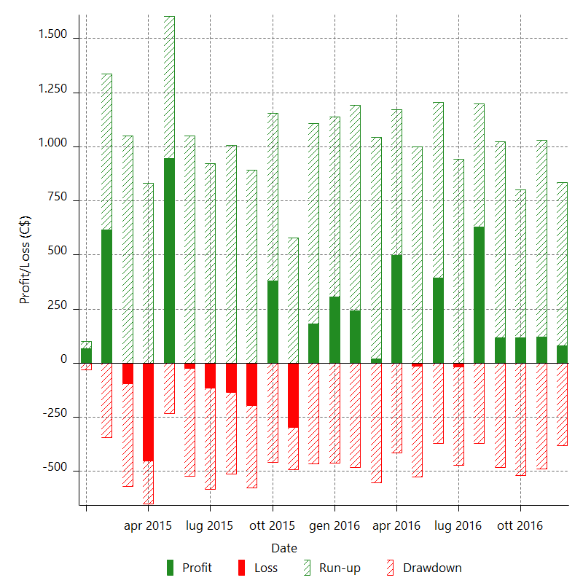

Monthly Returns & Drawdowns (%)

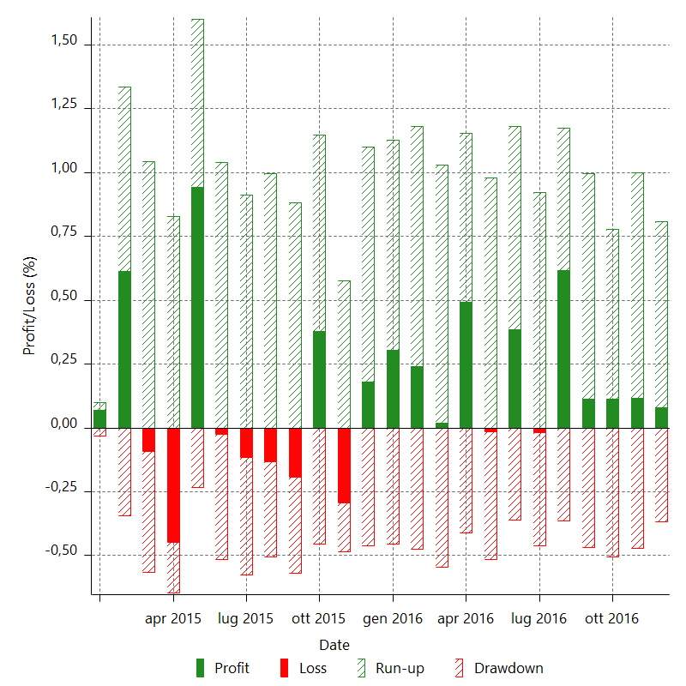

Monthly Accumulative Net Profit

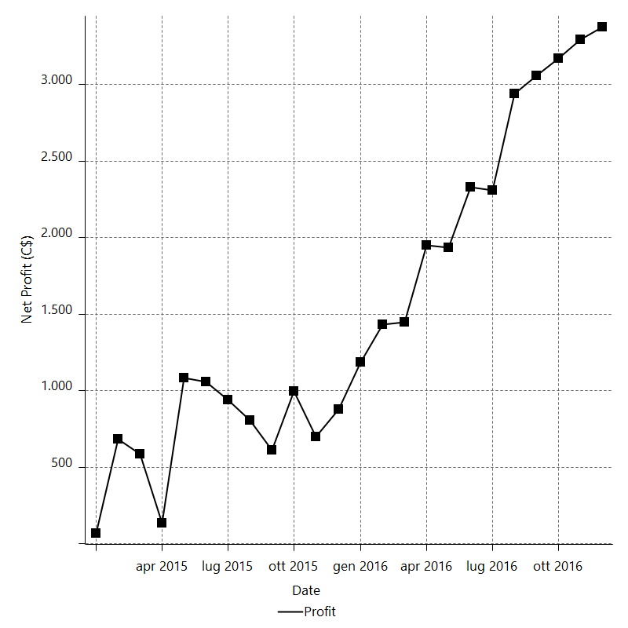

Average Profit By Month

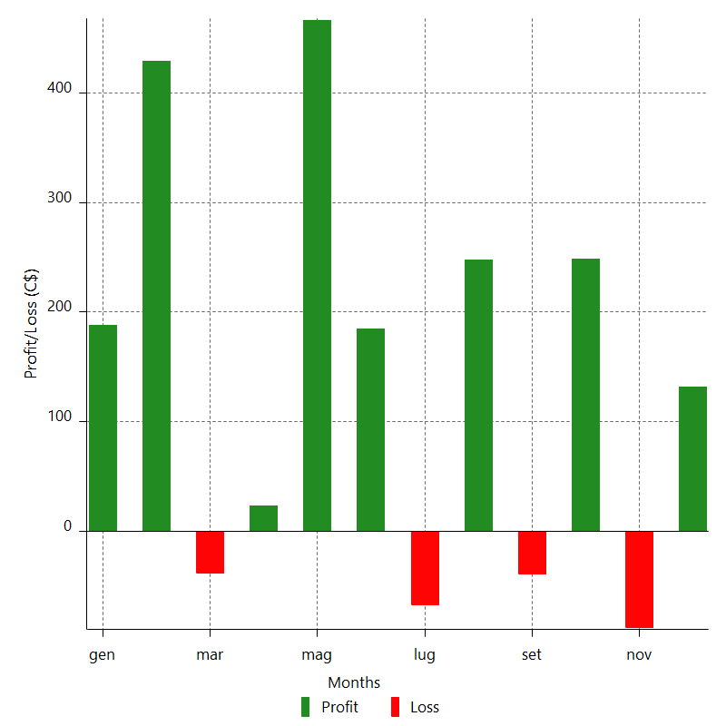

Annual Returns & Drawdowns

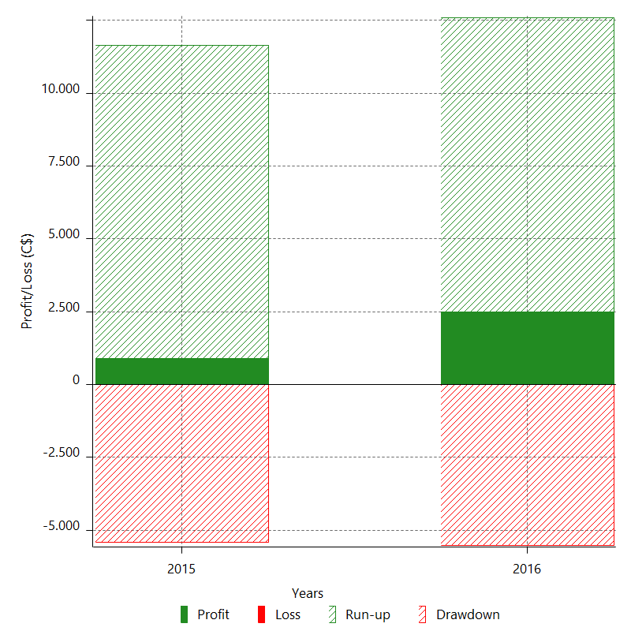

Annual Returns & Drawdowns (%)

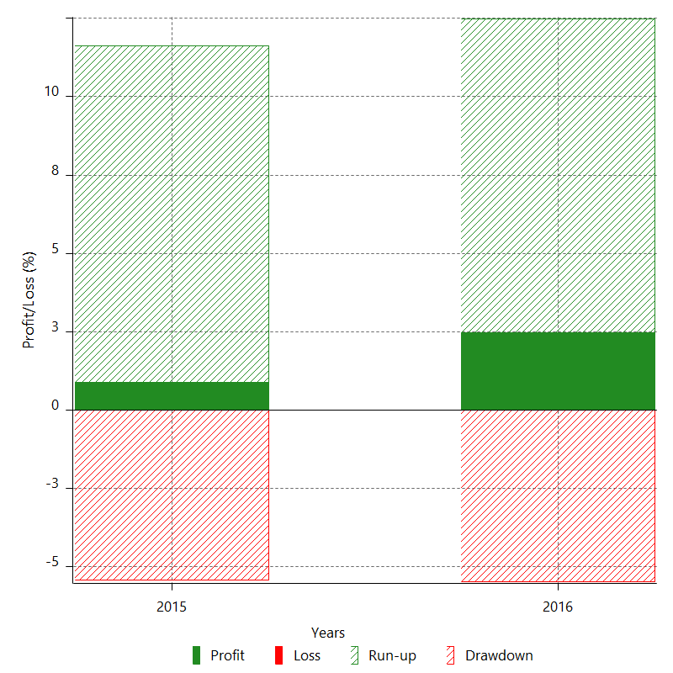

Annual Accumulative Net Profit

